Chart 1
Back to contents
CHART 1: Cumulative % Change in Average (mean) Rents from 2010 to 2017 (years to end-Sept), by Broad Rental Market Area - 2-Bedroom Properties
2 Bedroom Properties - Average (mean) Monthly Rents (£): Cumulative Changes 2010 to 2017, by Broad Rental Market Area
 | 2010 | 2016 | 2017 | 2010 to 2017 change | 2016 to 2017 change | Cumulative CPI - 2010 to 2017
Lothian | 665 | 831 | 888 | 33.7% | 6.9% | 15.9%
Greater Glasgow | 564 | 696 | 745 | 32.1% | 7.0% | 15.9%
Scotland | 536 | 616 | 643 | 19.9% | 4.4% | 15.9%
Fife | 464 | 511 | 533 | 14.9% | 4.4% | 15.9%
Forth Valley | 492 | 530 | 563 | 14.2% | 6.2% | 15.9%
Highland and Islands | 503 | 561 | 575 | 14.2% | 2.5% | 15.9%
West Lothian | 527 | 578 | 599 | 13.5% | 3.6% | 15.9%
East Dunbartonshire | 581 | 636 | 653 | 12.4% | 2.8% | 15.9%
Dundee and Angus | 497 | 546 | 555 | 11.6% | 1.6% | 15.9%
Perth and Kinross | 506 | 540 | 549 | 8.4% | 1.7% | 15.9%
South Lanarkshire | 481 | 500 | 520 | 8.2% | 4.0% | 15.9%
Renfrewshire / Inverclyde | 473 | 494 | 508 | 7.3% | 2.8% | 15.9%
Aberdeen and Shire | 643 | 754 | 682 | 6.1% | -9.6% | 15.9%
North Lanarkshire | 455 | 476 | 480 | 5.6% | 0.9% | 15.9%
Dumfries and Galloway | 435 | 447 | 453 | 4.2% | 1.5% | 15.9%
Scottish Borders | 442 | 452 | 459 | 3.9% | 1.4% | 15.9%
Argyll and Bute | 503 | 525 | 516 | 2.6% | -1.7% | 15.9%
West Dunbartonshire | 492 | 498 | 496 | 0.7% | -0.5% | 15.9%
Ayrshires | 464 | 463 | 467 | 0.5% | 0.7% | 15.9%

Table 1, Chart 2
Back to contents

CHART 2: Cumulative % Change in Average (mean) Rents from 2010 to 2017 (years to end-Sept), by Broad Rental Market Area - 1-Bedroom Properties
TABLE 1: 1 Bedroom Properties - Average (mean) Monthly Rents (£): Cumulative Changes 2010 to 2017, by Broad Rental Market Area
 | 2010 | 2016 | 2017 | 2010 to 2017 change | 2016 to 2017 change | Cumulative CPI - 2010 to 2017
Lothian | 520 | 653 | 704 | 35.3% | 7.9% | 15.9%
Greater Glasgow | 437 | 520 | 549 | 25.6% | 5.6% | 15.9%
Scotland | 436 | 482 | 501 | 15.0% | 4.0% | 15.9%
Highland and Islands | 415 | 461 | 470 | 13.3% | 2.1% | 15.9%
Dundee and Angus | 351 | 383 | 394 | 12.2% | 2.8% | 15.9%
West Lothian | 428 | 470 | 477 | 11.4% | 1.5% | 15.9%
Perth and Kinross | 377 | 408 | 416 | 10.3% | 2.0% | 15.9%
Argyll and Bute | 382 | 412 | 417 | 9.2% | 1.2% | 15.9%
Fife | 379 | 403 | 411 | 8.6% | 2.2% | 15.9%
East Dunbartonshire | 450 | 479 | 488 | 8.5% | 1.9% | 15.9%
Forth Valley | 387 | 408 | 415 | 7.2% | 1.8% | 15.9%
Dumfries and Galloway | 359 | 384 | 383 | 6.8% | -0.2% | 15.9%
North Lanarkshire | 373 | 381 | 390 | 4.5% | 2.2% | 15.9%
Renfrewshire / Inverclyde | 374 | 392 | 387 | 3.3% | -1.3% | 15.9%
Scottish Borders | 336 | 338 | 345 | 2.6% | 2.1% | 15.9%
South Lanarkshire | 382 | 381 | 391 | 2.4% | 2.8% | 15.9%
West Dunbartonshire | 397 | 400 | 399 | 0.5% | -0.4% | 15.9%
Ayrshires | 375 | 366 | 370 | -1.5% | 1.0% | 15.9%
Aberdeen and Shire | 529 | 566 | 501 | -5.3% | -11.5% | 15.9%

Chart 3
Back to contents

CHART 3: Average (mean) Monthly Rents 2017 (year to end-Sept), by Broad Rental Market Area - 1-Bedroom Properties
Average (mean) monthly rents for 1 Bedroom Properties in 2017 (year to end-Sept)
1 Bedroom Properties | £ monthly
Lothian | 704
Greater Glasgow | 549
Scotland | 501
Aberdeen and Shire | 501
East Dunbartonshire | 488
West Lothian | 477
Highland and Islands | 470
Argyll and Bute | 417
Perth and Kinross | 416
Forth Valley | 415
Fife | 411
West Dunbartonshire | 399
Dundee and Angus | 394
South Lanarkshire | 391
North Lanarkshire | 390
Renfrewshire / Inverclyde | 387
Dumfries and Galloway | 383
Ayrshires | 370
Scottish Borders | 345

Table 2, Chart 4
Back to contents

CHART 4: Cumulative % Change in Average (mean) Rents from 2010 to 2017 (years to end-Sept), by Broad Rental Market Area - 2-Bedroom Properties
TABLE 2: 2 Bedroom Properties - Average (mean) Monthly Rents (£): Cumulative Changes 2010 to 2017, by Broad Rental Market Area
 | 2010 | 2016 | 2017 | 2010 to 2017 change | 2016 to 2017 change | Cumulative CPI - 2010 to 2017
Lothian | 665 | 831 | 888 | 33.7% | 6.9% | 15.9%
Greater Glasgow | 564 | 696 | 745 | 32.1% | 7.0% | 15.9%
Scotland | 536 | 616 | 643 | 19.9% | 4.4% | 15.9%
Fife | 464 | 511 | 533 | 14.9% | 4.4% | 15.9%
Forth Valley | 492 | 530 | 563 | 14.2% | 6.2% | 15.9%
Highland and Islands | 503 | 561 | 575 | 14.2% | 2.5% | 15.9%
West Lothian | 527 | 578 | 599 | 13.5% | 3.6% | 15.9%
East Dunbartonshire | 581 | 636 | 653 | 12.4% | 2.8% | 15.9%
Dundee and Angus | 497 | 546 | 555 | 11.6% | 1.6% | 15.9%
Perth and Kinross | 506 | 540 | 549 | 8.4% | 1.7% | 15.9%
South Lanarkshire | 481 | 500 | 520 | 8.2% | 4.0% | 15.9%
Renfrewshire / Inverclyde | 473 | 494 | 508 | 7.3% | 2.8% | 15.9%
Aberdeen and Shire | 643 | 754 | 682 | 6.1% | -9.6% | 15.9%
North Lanarkshire | 455 | 476 | 480 | 5.6% | 0.9% | 15.9%
Dumfries and Galloway | 435 | 447 | 453 | 4.2% | 1.5% | 15.9%
Scottish Borders | 442 | 452 | 459 | 3.9% | 1.4% | 15.9%
Argyll and Bute | 503 | 525 | 516 | 2.6% | -1.7% | 15.9%
West Dunbartonshire | 492 | 498 | 496 | 0.7% | -0.5% | 15.9%
Ayrshires | 464 | 463 | 467 | 0.5% | 0.7% | 15.9%

Chart 5
Back to contents

CHART 5: Average (mean) Monthly Rents 2017 (year to end-Sept), by Broad Rental Market Area - 2-Bedroom Properties
Average (mean) monthly rents for 2 Bedroom Properties in 2017 (year to end-Sept)
2 Bedroom Properties | £ monthly
Lothian | 888
Greater Glasgow | 745
Aberdeen and Shire | 682
East Dunbartonshire | 653
Scotland | 643
West Lothian | 599
Highland and Islands | 575
Forth Valley | 563
Dundee and Angus | 555
Perth and Kinross | 549
Fife | 533
South Lanarkshire | 520
Argyll and Bute | 516
Renfrewshire / Inverclyde | 508
West Dunbartonshire | 496
North Lanarkshire | 480
Ayrshires | 467
Scottish Borders | 459
Dumfries and Galloway | 453

Table 3, Chart 6
Back to contents

CHART 6: Cumulative % Change in Average (mean) Rents from 2010 to 2017 (years to end-Sept), by Broad Rental Market Area - 3-Bedroom Properties
TABLE 3: 3 Bedroom Properties - Average (mean) Monthly Rents (£): Cumulative Changes 2010 to 2017, by Broad Rental Market Area
 | 2010 | 2016 | 2017 | 2010 to 2017 change | 2016 to 2017 change | Cumulative CPI - 2010 to 2017
Greater Glasgow | 728 | 915 | 965 | 32.5% | 5.4% | 15.9%
Lothian | 918 | 1,112 | 1,144 | 24.6% | 2.9% | 15.9%
East Dunbartonshire | 750 | 859 | 924 | 23.2% | 7.5% | 15.9%
Forth Valley | 643 | 678 | 752 | 17.0% | 10.9% | 15.9%
Fife | 563 | 617 | 657 | 16.7% | 6.5% | 15.9%
Perth and Kinross | 647 | 700 | 754 | 16.6% | 7.8% | 15.9%
Aberdeen and Shire | 744 | 930 | 866 | 16.4% | -6.9% | 15.9%
Highland and Islands | 595 | 672 | 692 | 16.4% | 3.1% | 15.9%
Scotland | 679 | 753 | 787 | 15.9% | 4.6% | 15.9%
West Lothian | 616 | 691 | 709 | 15.0% | 2.6% | 15.9%
Dundee and Angus | 633 | 702 | 717 | 13.4% | 2.2% | 15.9%
Scottish Borders | 515 | 546 | 566 | 9.9% | 3.6% | 15.9%
Renfrewshire / Inverclyde | 612 | 643 | 652 | 6.5% | 1.3% | 15.9%
Ayrshires | 556 | 579 | 590 | 6.0% | 1.9% | 15.9%
South Lanarkshire | 627 | 637 | 662 | 5.5% | 3.9% | 15.9%
Dumfries and Galloway | 500 | 514 | 526 | 5.3% | 2.4% | 15.9%
Argyll and Bute | 638 | 666 | 652 | 2.2% | -2.1% | 15.9%
West Dunbartonshire | 591 | 575 | 604 | 2.2% | 5.0% | 15.9%
North Lanarkshire | 549 | 564 | 555 | 1.2% | -1.6% | 15.9%

Chart 7
Back to contents

CHART 7: Average (mean) Monthly Rents 2017 (year to end-Sept), by Broad Rental Market Area - 3-Bedroom Properties
Average (mean) monthly rents for 3 Bedroom Properties in 2017 (year to end-Sept)
3 Bedroom Properties | £ monthly
Lothian | 1,144
Greater Glasgow | 965
East Dunbartonshire | 924
Aberdeen and Shire | 866
Scotland | 787
Perth and Kinross | 754
Forth Valley | 752
Dundee and Angus | 717
West Lothian | 709
Highland and Islands | 692
South Lanarkshire | 662
Fife | 657
Argyll and Bute | 652
Renfrewshire / Inverclyde | 652
West Dunbartonshire | 604
Ayrshires | 590
Scottish Borders | 566
North Lanarkshire | 555
Dumfries and Galloway | 526

Table 4, Chart 8
Back to contents

CHART 8: Cumulative % Change in Average (mean) Rents from 2010 to 2017 (years to end-Sept), by Broad Rental Market Area - 4-Bedroom Properties
TABLE 4: 4 Bedroom Properties - Average (mean) Monthly Rents (£): Cumulative Changes 2010 to 2017, by Broad Rental Market Area
 | 2010 | 2016 | 2017 | 2010 to 2017 change | 2016 to 2017 change | Cumulative CPI - 2010 to 2017
Greater Glasgow | 1,067 | 1,299 | 1,524 | 42.8% | 17.3% | 15.9%
East Dunbartonshire | 1,135 | 1,277 | 1,552 | 36.7% | 21.5% | 15.9%
Renfrewshire / Inverclyde | 834 | 1,015 | 1,095 | 31.4% | 8.0% | 15.9%
Dundee and Angus | 811 | 973 | 1,047 | 29.1% | 7.7% | 15.9%
Forth Valley | 857 | 1,052 | 1,095 | 27.8% | 4.1% | 15.9%
Aberdeen and Shire | 944 | 1,291 | 1,169 | 23.9% | -9.5% | 15.9%
Lothian | 1,291 | 1,512 | 1,592 | 23.4% | 5.3% | 15.9%
Ayrshires | 758 | 908 | 907 | 19.6% | -0.1% | 15.9%
Scotland | 959 | 1,089 | 1,143 | 19.2% | 4.9% | 15.9%
Perth and Kinross | 858 | 1,018 | 1,018 | 18.8% | 0.0% | 15.9%
South Lanarkshire | 924 | 1,022 | 1,097 | 18.7% | 7.3% | 15.9%
Fife | 773 | 901 | 917 | 18.6% | 1.8% | 15.9%
West Lothian | 834 | 920 | 975 | 16.9% | 6.0% | 15.9%
North Lanarkshire | 776 | 823 | 889 | 14.6% | 8.0% | 15.9%
Dumfries and Galloway | 620 | 646 | 702 | 13.3% | 8.8% | 15.9%
Highland and Islands | 751 | 822 | 828 | 10.3% | 0.7% | 15.9%
Scottish Borders | 690 | 740 | 750 | 8.8% | 1.4% | 15.9%
West Dunbartonshire | 821 | 907 | 886 | 7.9% | -2.3% | 15.9%
Argyll and Bute | 924 | 989 | 980 | 6.1% | -0.8% | 15.9%

Chart 9
Back to contents

CHART 9: Average (mean) Monthly Rents 2017 (year to end-Sept), by Broad Rental Market Area - 4-Bedroom Properties
Average (mean) monthly rents for 4 Bedroom Properties in 2017 (year to end-Sept)
4 Bedroom Properties | £ monthly
Lothian | 1,592
East Dunbartonshire | 1,552
Greater Glasgow | 1,524
Aberdeen and Shire | 1,169
Scotland | 1,143
South Lanarkshire | 1,097
Renfrewshire / Inverclyde | 1,095
Forth Valley | 1,095
Dundee and Angus | 1,047
Perth and Kinross | 1,018
Argyll and Bute | 980
West Lothian | 975
Fife | 917
Ayrshires | 907
North Lanarkshire | 889
West Dunbartonshire | 886
Highland and Islands | 828
Scottish Borders | 750
Dumfries and Galloway | 702

Table 5, Chart 10
Back to contents

CHART 10: Cumulative % Change in Average (mean) Rents from 2010 to 2017 (years to end-Sept), by Broad Rental Market Area - 1 bedroom shared properties
TABLE 5: 1 Bedroom Shared Properties - Average (mean) Monthly Rents (£): Cumulative Changes 2010 to 2017, by Broad Rental Market Area
 | 2010 | 2016 | 2017 | 2010 to 2017 change | 2016 to 2017 change | Cumulative CPI - 2010 to 2017
Forth Valley | 276 | 351 | 357 | 29.5% | 1.8% | 15.9%
Fife | 271 | 368 | 348 | 28.4% | -5.6% | 15.9%
East Dunbartonshire | 300 | 325 | 385 | 28.3% | 18.7% | 15.9%
Greater Glasgow | 313 | 372 | 386 | 23.1% | 3.6% | 15.9%
Scottish Borders | 256 | 270 | 312 | 22.1% | 15.5% | 15.9%
Lothian | 320 | 368 | 390 | 22.0% | 6.1% | 15.9%
South Lanarkshire | 309 | 315 | 371 | 20.1% | 17.8% | 15.9%
West Lothian | 279 | 318 | 332 | 19.0% | 4.2% | 15.9%
Dundee and Angus | 263 | 296 | 309 | 17.6% | 4.6% | 15.9%
Perth and Kinross | 262 | 288 | 308 | 17.6% | 6.8% | 15.9%
North Lanarkshire | 297 | 320 | 347 | 16.8% | 8.4% | 15.9%
Scotland | 300 | 340 | 350 | 16.6% | 3.0% | 15.9%
West Dunbartonshire | 289 | 322 | 331 | 14.6% | 2.8% | 15.9%
Highland and Islands | 287 | 320 | 327 | 13.9% | 2.3% | 15.9%
Ayrshires | 302 | 335 | 338 | 12.1% | 0.9% | 15.9%
Aberdeen and Shire | 328 | 404 | 358 | 9.1% | -11.3% | 15.9%
Dumfries and Galloway | 278 | 285 | 292 | 5.1% | 2.5% | 15.9%
Renfrewshire / Inverclyde | 296 | 304 | 304 | 2.7% | 0.1% | 15.9%
Argyll and Bute | 316 | 302 | 301 | -4.7% | -0.3% | 15.9%

Chart 11
Back to contents

CHART 11: Average (mean) Monthly Rents 2017 (year to end-Sept), by Broad Rental Market Area - 1-Bedroom Shared Properties
Average (mean) monthly rents for 1 Bedroom Shared Properties in 2017 (year to end-Sept)
1 Bedroom Shared Properties | £ monthly
Lothian | 390
Greater Glasgow | 386
East Dunbartonshire | 385
South Lanarkshire | 371
Aberdeen and Shire | 358
Forth Valley | 357
Scotland | 350
Fife | 348
North Lanarkshire | 347
Ayrshires | 338
West Lothian | 332
West Dunbartonshire | 331
Highland and Islands | 327
Scottish Borders | 312
Dundee and Angus | 309
Perth and Kinross | 308
Renfrewshire / Inverclyde | 304
Argyll and Bute | 301
Dumfries and Galloway | 292
Note: Figures for rooms in shared properties represent "rent only", i.e. exclude any payments for shared services

Table 6, Chart 12
Back to contents

Note that some caution is needed when interpreting Scotland level findings. This is because whilst the underlying data aims to be representative of rents within each broad rental market area, no attempt has been made to apply any formal weighting techniques to account for any specific area-level sample sizes or structures when aggregating up to a single Scotland level figure.
TABLE 6: Summary of Average (mean) Private Rents (£ monthly): Scotland, 2010 to 2017 (years to end Sept)
 | 2010 | 2011 | 2012 | 2013 | 2014 | 2015 | 2016 | 2017
1 Bedroom Property | 436 | 439 | 447 | 454 | 472 | 480 | 482 | 501
2 Bedroom Property | 536 | 546 | 553 | 576 | 596 | 610 | 616 | 643
3 Bedroom Property | 679 | 672 | 695 | 707 | 724 | 744 | 753 | 787
4 Bedroom Property | 959 | 971 | 983 | 1,060 | 1,083 | 1,097 | 1,089 | 1,143
1 Bedroom in Shared Property | 300 | 294 | 301 | 309 | 317 | 327 | 340 | 350

Percentage Increases:
 | 2010 to 2011 | 2011 to 2012 | 2012 to 2013 | 2013 to 2014 | 2014 to 2015 | 2015 to 2016 | 2016 to 2017 | 2010 to 2017
 | (annual increase) | (annual increase) | (annual increase) | (annual increase) | (annual increase) | (annual increase) | (annual increase) | (7 year cumulative increase)
1 Bedroom Property | 0.8% | 1.8% | 1.6% | 3.9% | 1.6% | 0.4% | 4.0% | 15.0%
2 Bedroom Property | 1.9% | 1.2% | 4.2% | 3.6% | 2.2% | 1.0% | 4.4% | 19.9%
3 Bedroom Property | -1.0% | 3.4% | 1.8% | 2.3% | 2.8% | 1.2% | 4.6% | 15.9%
4 Bedroom Property | 1.3% | 1.2% | 7.8% | 2.2% | 1.3% | -0.7% | 4.9% | 19.2%
1 Bedroom in Shared Property | -2.0% | 2.5% | 2.6% | 2.6% | 3.0% | 4.0% | 3.0% | 16.6%

Notes:
Figures exclude any studio properties, properties with 5 or more bedrooms, or room rents associated with bed and breakfast lodgings.
Figures for rooms in shared properties represent "rent only", i.e. exclude any payments for shared services.
Note that some caution is needed when interpreting Scotland level findings. This is because whilst the underlying data aims to be representative of rents within each broad rental market area, no attempt has been made to apply any formal weighting techniques to account for any specific area-level sample sizes or structures when aggregating up to a single Scotland level figure.

Chart A1
Back to contents

Note change of methodology in 2001

 | Estimated stock of dwellings by tenure: 1961 to 2016
 |  | Total number of dwellings (000s) | Owner occupation | Vacant private dwellings and second homes | Rented
 |  |  |  |  | Private rent or living rent free | Housing association rent | Local authority rent
 | Dec 1981 | 1,970 | 718 |  | 191 | 36 | 1,027
 | Dec 1982 | 1,983 | 747 |  | 182 | 38 | 1,016
 | Dec 1983 | 1,998 | 781 |  | 174 | 41 | 1,001
 | Dec 1984 | 2,015 | 816 |  | 167 | 45 | 987
 | Dec 1985 | 2,032 | 850 |  | 161 | 47 | 974
 | Dec 1986 | 2,050 | 884 |  | 154 | 50 | 962
 | Dec 1987 | 2,067 | 922 |  | 147 | 54 | 943
 | Dec 1988 | 2,084 | 972 |  | 139 | 59 | 914
 | Dec 1989 | 2,104 | 1,033 |  | 133 | 62 | 877
 | Dec 1990 | 2,124 | 1,088 |  | 126 | 65 | 845
 | Dec 1991 | 2,160 | 1,132 |  | 154 | 57 | 816
 | Dec 1992 | 2,175 | 1,176 |  | 154 | 62 | 783
 | Dec 1993 | 2,193 | 1,217 |  | 154 | 67 | 755
 | Dec 1994 | 2,210 | 1,258 |  | 155 | 77 | 721
 | Dec 1995 | 2,230 | 1,293 |  | 155 | 91 | 692
 | Dec 1996 | 2,248 | 1,327 |  | 154 | 99 | 668
 | Dec 1997 | 2,266 | 1,366 |  | 154 | 115 | 630
 | Dec 1998 | 2,283 | 1,400 |  | 154 | 121 | 608
 | Dec 1999 | 2,303 | 1,435 |  | 155 | 131 | 583
 | Dec 2000 | 2,322 | 1,472 |  | 155 | 137 | 557
 | Mar 2001 | 2,312 | 1,370 | 78 | 173 | 139 | 553
 | Mar 2002 | 2,329 | 1,406 | 80 | 171 | 143 | 531
 | Mar 2003 | 2,347 | 1,434 | 79 | 179 | 238 | 416
 | Mar 2004 | 2,367 | 1,447 | 75 | 203 | 251 | 389
 | Mar 2005 | 2,387 | 1,468 | 78 | 215 | 251 | 374
 | Mar 2006 | 2,406 | 1,493 | 76 | 224 | 251 | 362
 | Mar 2007 | 2,428 | 1,494 | 80 | 247 | 261 | 346
 | Mar 2008 | 2,451 | 1,522 | 81 | 248 | 269 | 330
 | Mar 2009 | 2,469 | 1,517 | 86 | 272 | 268 | 326
 | Mar 2010 | 2,482 | 1,506 | 93 | 288 | 272 | 323
 | Mar 2011 | 2,495 | 1,500 | 96 | 304 | 275 | 320
 | Mar 2012 | 2,508 | 1,465 | 99 | 347 | 277 | 319
 | Mar 2013 | 2,521 | 1,458 | 99 | 368 | 277 | 318
 | Mar 2014 | 2,534 | 1,468 | 96 | 375 | 277 | 318
 | Mar 2015 | 2,549 | 1,476 | 96 | 382 | 278 | 317
 | Mar 2016 | 2,567 | 1,481 | 97 | 394 | 278 | 317
 | Note: Estimates from 1991 to 2000 are based on the 1991 Census. Estimates from 2001 onwards are based on the 2001 Census, GROS dwelling counts and Scottish Household Survey (SHS) tenure splits and are not strictly comparable (see notes page). 2007 figures are provisional.
 | 1. Includes accommodation tied to employment and others living rent free.
 | 2. Stock transfers took place in Dumfries & Galloway, Glasgow and Scottish Borders in 2003, and in Argyll & Bute and Eilean Siar in 2006. Estimates for 2003 onwards will reflect this change of tenure.

Aberdeen & Shire
Back to contents
 | Broad Rental Market Area Profile: Aberdeen and Shire
Average (mean) rents have decreased across all property sizes between 2016 and 2017. The latest annual decreases range from -6.9% for 3 bedroom properties, to -11.5% for 1 bedroom properties, which compares to CPI inflation of +3.0% across this time period. Average rents for 2, 3, and 4 bedroom properties began decreasing between 2014 and 2015, following which average rents have fallen for each property size since then. This is likely to reflect decreased demand for rental properties following the downturn in the oil industry. Despite these drops, average rents in 2017 are still higher than in 2010 except for 1 bedroom properties, which have seen a drop of 5%. Since 2010, 3 and 4 bedroom property rents have increased by 16.4% and 23.9% respectively, which is higher than CPI inflation (15.9%) over this period.
For 3 and 4 bedroom properties, greater increases at the top end (upper quartile) than the bottom end (lower quartile) between 2012 and 2014 caused the gap between the top end and bottom ends to widen, although this gap has narrowed in more recent years.
The average 2 bedroom rent in 2017 was £682 per month, higher than the Scotland average of £643, however this gap has narrowed in recent years as rents in Aberdeen and Shire have fallen while the Scotland average has increased.
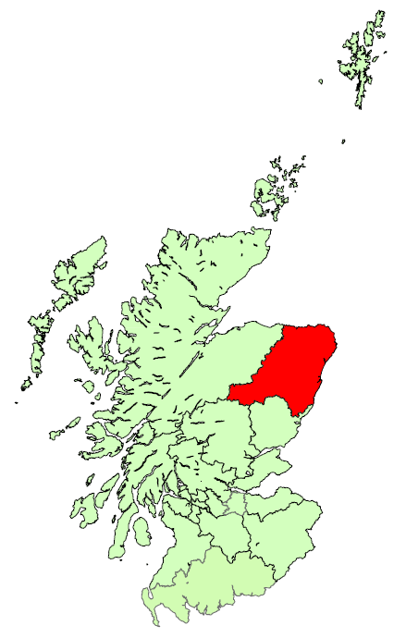

 | 1 Bedroom Properties - Quartile Measures, years to end Sept, (£ monthly): |  |  |  |  |  |  |  |  |  |  | 2 Bedroom Properties - Quartile Measures, years to end Sept, (£ monthly):
 |  | 2010 | 2011 | 2012 | 2013 | 2014 | 2015 | 2016 | 2017 | 2016 to 2017 | 2010 to 2017 |  | 2010 | 2011 | 2012 | 2013 | 2014 | 2015 | 2016 | 2017 | 2016 to 2017 | 2010 to 2017
 | Lower Quartile | 500 | 500 | 520 | 550 | 625 | 625 | 510 | 450 | -11.8% | -10.0% | Lower Quartile | 590 | 600 | 650 | 700 | 795 | 795 | 675 | 600 | -11.1% | 1.7%
 | Median | 525 | 550 | 550 | 600 | 650 | 675 | 550 | 500 | -9.1% | -4.8% | Median | 650 | 695 | 700 | 800 | 875 | 875 | 750 | 650 | -13.3% | 0.0%
 | Mean | 529 | 540 | 555 | 600 | 664 | 667 | 566 | 501 | -11.5% | -5.3% | Mean | 643 | 671 | 701 | 819 | 898 | 874 | 754 | 682 | -9.6% | 6.1%
 | Upper Quartile | 575 | 575 | 600 | 650 | 725 | 700 | 600 | 550 | -8.3% | -4.3% | Upper Quartile | 700 | 750 | 775 | 900 | 1,000 | 950 | 800 | 750 | -6.3% | 7.1%

 | 3 Bedroom Properties - Quartile Measures, years to end Sept, (£ monthly): |  |  |  |  |  |  |  |  |  |  | 4 Bedroom Properties - Quartile Measures, years to end Sept, (£ monthly):
 |  | 2010 | 2011 | 2012 | 2013 | 2014 | 2015 | 2016 | 2017 | 2016 to 2017 | 2010 to 2017 |  | 2010 | 2011 | 2012 | 2013 | 2014 | 2015 | 2016 | 2017 | 2016 to 2017 | 2010 to 2017
 | Lower Quartile | 650 | 650 | 700 | 775 | 850 | 900 | 800 | 750 | -6.3% | 15.4% | Lower Quartile | 850 | 850 | 900 | 1,100 | 1,200 | 1,250 | 1,000 | 950 | -5.0% | 11.8%
 | Median | 750 | 750 | 825 | 950 | 1,100 | 1,100 | 900 | 850 | -5.6% | 13.3% | Median | 950 | 995 | 1,100 | 1,400 | 1,550 | 1,450 | 1,200 | 1,100 | -8.3% | 15.8%
 | Mean | 744 | 753 | 827 | 1,019 | 1,089 | 1,072 | 930 | 866 | -6.9% | 16.4% | Mean | 944 | 1,018 | 1,105 | 1,484 | 1,565 | 1,493 | 1,291 | 1,169 | -9.5% | 23.9%
 | Upper Quartile | 850 | 875 | 950 | 1,200 | 1,300 | 1,250 | 1,050 | 950 | -9.5% | 11.8% | Upper Quartile | 1,000 | 1,200 | 1,300 | 1,800 | 1,850 | 1,700 | 1,500 | 1,300 | -13.3% | 30.0%

 | 1 Bedroom Shared Properties - Quartile Measures, years to end Sept, (£ monthly): |  |  |  |  |  |  |  |  |  |  | Sample Sizes:
 |  | 2010 | 2011 | 2012 | 2013 | 2014 | 2015 | 2016 | 2017 | 2016 to 2017 | 2010 to 2017 |  |  |  | 2010 | 2011 | 2012 | 2013 | 2014 | 2015 | 2016 | 2017
 | Lower Quartile | 286 | 285 | 300 | 316 | 345 | 375 | 350 | 320 | -8.6% | 11.9% | 1 Bedroom |  |  | 541 | 691 | 690 | 534 | 561 | 596 | 738 | 756
 | Median | 335 | 325 | 340 | 350 | 400 | 408 | 400 | 350 | -12.5% | 4.5% | 2 Bedrooms |  |  | 557 | 870 | 1062 | 967 | 1025 | 1009 | 1271 | 1448
 | Mean | 328 | 323 | 338 | 366 | 402 | 433 | 404 | 358 | -11.3% | 9.1% | 3 Bedrooms |  |  | 226 | 364 | 486 | 448 | 422 | 428 | 412 | 446
 | Upper Quartile | 360 | 355 | 375 | 400 | 450 | 500 | 450 | 400 | -11.1% | 11.1% | 4 Bedrooms |  |  | 123 | 174 | 239 | 324 | 293 | 281 | 275 | 213
 |  |  |  |  |  |  |  |  |  |  |  | 1 Bedroom Shared |  |  | 134 | 192 | 232 | 142 | 148 | 138 | 104 | 98

 |  |  |  |  |  |  |  |  |  |  |  |  |  |  |  |  |  |  |  |  |  |  |  | 2010 | 2011 | 2012 | 2013 | 2014 | 2015 | 2016 | 2017
 |  |  |  |  |  |  |  |  |  |  |  |  |  |  |  |  |  |  |  |  |  |  | Scotland | 536 | 546 | 553 | 576 | 596 | 610 | 616 | 643
 |  |  |  |  |  |  |  |  |  |  |  |  |  |  |  |  |  |  |  |  |  |  | Aberdeen and Shire | 643 | 671 | 701 | 819 | 898 | 874 | 754 | 682

Argyll & Bute
Back to contents
 | Broad Rental Market Area Profile: Argyll and Bute
Average (mean) rents in Argyll and Bute have decreased between 2016 and 2017 for all property sizes, except 1 bedroom properties. Decreases range from -0.3% to -2.1% for 1 bedroom shared and 3 bedroom properties, respectively. An increase of 1.2% was seen for 1 bedroom properties, however this is below CPI inflation of 3.0%. Despite the decreases seen in the latest year, between 2010 and 2017, average rents have increased for all property sizes, except 1 bedroom shared. These increases range from 2.2% to 9.2% for 3 and 1 bedroom properties, respectively, which compares to CPI inflation of 15.9% across this time period.
For 1 bedroom properties, an increase in the bottom end of the market (lower quartile) has caused the gap between the top and bottom ends to narrow in the latest year, whilst for 1 bedroom shared and 4 bedroom properties there has been an increase in the upper quartile and a decrease in the lower quartile in the most recent year, widening the gap between top and bottom ends
Average 2 bedroom rents have been lower than the Scotland average in each year since 2010, and the gap has grown over the years, with the average rent in 2017 being £516 per month, compared to the Scotland average of £643.
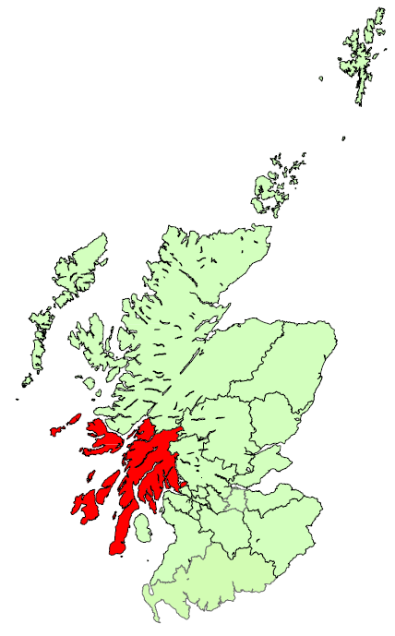

 | 1 Bedroom Properties - Quartile Measures, years to end Sept, (£ monthly): |  |  |  |  |  |  |  |  |  |  | 2 Bedroom Properties - Quartile Measures, years to end Sept, (£ monthly):
 |  | 2010 | 2011 | 2012 | 2013 | 2014 | 2015 | 2016 | 2017 | 2016 to 2017 | 2010 to 2017 |  | 2010 | 2011 | 2012 | 2013 | 2014 | 2015 | 2016 | 2017 | 2016 to 2017 | 2010 to 2017
 | Lower Quartile | 350 | 325 | 350 | 350 | 360 | 350 | 351 | 375 | 7.0% | 7.1% | Lower Quartile | 450 | 425 | 450 | 450 | 425 | 450 | 460 | 450 | -2.2% | 0.0%
 | Median | 395 | 395 | 395 | 400 | 395 | 400 | 400 | 400 | 0.0% | 1.3% | Median | 495 | 495 | 495 | 495 | 495 | 495 | 500 | 500 | 0.0% | 1.0%
 | Mean | 382 | 369 | 383 | 399 | 395 | 398 | 412 | 417 | 1.2% | 9.2% | Mean | 503 | 500 | 508 | 503 | 495 | 509 | 525 | 516 | -1.7% | 2.6%
 | Upper Quartile | 425 | 425 | 425 | 440 | 425 | 450 | 450 | 450 | 0.0% | 5.9% | Upper Quartile | 550 | 550 | 550 | 550 | 550 | 550 | 575 | 550 | -4.3% | 0.0%

 | 3 Bedroom Properties - Quartile Measures, years to end Sept, (£ monthly): |  |  |  |  |  |  |  |  |  |  | 4 Bedroom Properties - Quartile Measures, years to end Sept, (£ monthly):
 |  | 2010 | 2011 | 2012 | 2013 | 2014 | 2015 | 2016 | 2017 | 2016 to 2017 | 2010 to 2017 |  | 2010 | 2011 | 2012 | 2013 | 2014 | 2015 | 2016 | 2017 | 2016 to 2017 | 2010 to 2017
 | Lower Quartile | 500 | 495 | 550 | 500 | 500 | 510 | 550 | 525 | -4.5% | 5.0% | Lower Quartile | 750 | 725 | 725 | 723 | 773 | 850 | 795 | 700 | -11.9% | -6.7%
 | Median | 575 | 595 | 650 | 600 | 650 | 595 | 650 | 598 | -8.1% | 3.9% | Median | 850 | 800 | 800 | 850 | 895 | 900 | 900 | 925 | 2.8% | 8.8%
 | Mean | 638 | 627 | 679 | 625 | 640 | 612 | 666 | 652 | -2.1% | 2.2% | Mean | 924 | 834 | 878 | 922 | 909 | 947 | 989 | 980 | -0.8% | 6.1%
 | Upper Quartile | 750 | 750 | 775 | 745 | 750 | 675 | 750 | 750 | 0.0% | 0.0% | Upper Quartile | 1,175 | 995 | 950 | 1,198 | 998 | 995 | 1,200 | 1,250 | 4.2% | 6.4%

 | 1 Bedroom Shared Properties - Quartile Measures, years to end Sept, (£ monthly): |  |  |  |  |  |  |  |  |  |  | Sample Sizes:
 |  | 2010 | 2011 | 2012 | 2013 | 2014 | 2015 | 2016 | 2017 | 2016 to 2017 | 2010 to 2017 |  |  |  | 2010 | 2011 | 2012 | 2013 | 2014 | 2015 | 2016 | 2017
 | Lower Quartile | 300 | 284 | 260 | 228 | 273 | 275 | 275 | 255 | -7.3% | -15.0% | 1 Bedroom |  |  | 80 | 89 | 95 | 65 | 91 | 102 | 124 | 107
 | Median | 320 | 324 | 282 | 302 | 303 | 325 | 316 | 294 | -6.9% | -8.1% | 2 Bedrooms |  |  | 142 | 143 | 172 | 151 | 140 | 178 | 173 | 180
 | Mean | 316 | 318 | 275 | 280 | 306 | 319 | 302 | 301 | -0.3% | -4.7% | 3 Bedrooms |  |  | 69 | 87 | 102 | 83 | 82 | 98 | 85 | 76
 | Upper Quartile | 333 | 340 | 325 | 325 | 335 | 348 | 325 | 345 | 6.2% | 3.6% | 4 Bedrooms |  |  | 32 | 46 | 51 | 60 | 36 | 40 | 44 | 19
 |  |  |  |  |  |  |  |  |  |  |  | 1 Bedroom Shared |  |  | 10 | 17 | 38 | 70 | 68 | 81 | 46 | 45

 |  |  |  |  |  |  |  |  |  |  |  |  |  |  |  |  |  |  |  |  |  |  |  | 2010 | 2011 | 2012 | 2013 | 2014 | 2015 | 2016 | 2017
 |  |  |  |  |  |  |  |  |  |  |  |  |  |  |  |  |  |  |  |  |  |  | Scotland | 536 | 546 | 553 | 576 | 596 | 610 | 616 | 643
 |  |  |  |  |  |  |  |  |  |  |  |  |  |  |  |  |  |  |  |  |  |  | Argyll and Bute | 503 | 500 | 508 | 503 | 495 | 509 | 525 | 516

Ayrshires
Back to contents
 | Broad Rental Market Area Profile: Ayrshires
Between 2016 and 2017, average (mean) rents have remained fairly constant across all property sizes in the Ayrshires, with changes varying from -0.1% for 4 bedroom properties to +1.9% for 3 bedroom properties. This compares to CPI inflation of 3.0% across this time period. Between 2010 and 2017, average rents have increased for all property sizes, except 1 bedroom. The largest increases have been seen for 4 bedroom and 1 bedroom shared properties, with increases of 19.6% and 12.1%, respectively, which compares to CPI inflation of 15.9% across this time period.
For 4 bedroom properties, an increase in the top end (upper quartile) has widened the gap between bottom end and top end rents in the latest year. The gap for 1 bedroom properties has narrowed in the latest year due to an increase in the bottom end (lower quartile) and is the now same as it was in 2010.
Average 2 bedroom rents have been lower than the Scotland average in each year since 2010, and the gap has grown over the years, with the average rent in 2017 being £467 per month, compared to the Scotland average of £643.
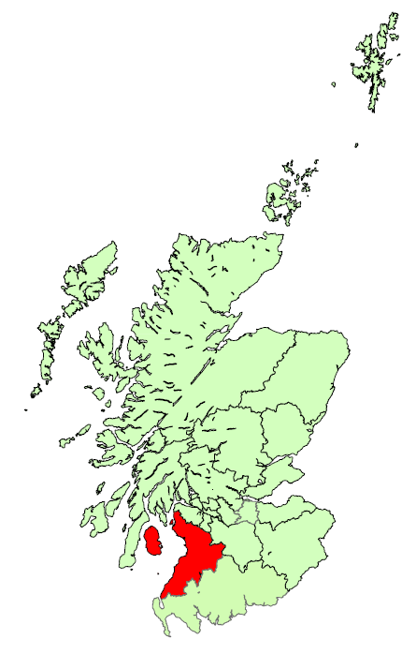

 | 1 Bedroom Properties - Quartile Measures, years to end Sept, (£ monthly): |  |  |  |  |  |  |  |  |  |  | 2 Bedroom Properties - Quartile Measures, years to end Sept, (£ monthly):
 |  | 2010 | 2011 | 2012 | 2013 | 2014 | 2015 | 2016 | 2017 | 2016 to 2017 | 2010 to 2017 |  | 2010 | 2011 | 2012 | 2013 | 2014 | 2015 | 2016 | 2017 | 2016 to 2017 | 2010 to 2017
 | Lower Quartile | 350 | 350 | 330 | 325 | 325 | 325 | 328 | 350 | 6.9% | 0.0% | Lower Quartile | 425 | 425 | 425 | 425 | 425 | 420 | 425 | 425 | 0.0% | 0.0%
 | Median | 375 | 375 | 350 | 360 | 360 | 350 | 350 | 365 | 4.3% | -2.7% | Median | 450 | 450 | 450 | 450 | 450 | 450 | 450 | 450 | 0.0% | 0.0%
 | Mean | 375 | 378 | 365 | 369 | 365 | 363 | 366 | 370 | 1.0% | -1.5% | Mean | 464 | 469 | 459 | 470 | 461 | 461 | 463 | 467 | 0.7% | 0.5%
 | Upper Quartile | 400 | 400 | 395 | 400 | 395 | 395 | 400 | 400 | 0.0% | 0.0% | Upper Quartile | 495 | 500 | 495 | 500 | 498 | 500 | 500 | 500 | 0.0% | 1.0%

 | 3 Bedroom Properties - Quartile Measures, years to end Sept, (£ monthly): |  |  |  |  |  |  |  |  |  |  | 4 Bedroom Properties - Quartile Measures, years to end Sept, (£ monthly):
 |  | 2010 | 2011 | 2012 | 2013 | 2014 | 2015 | 2016 | 2017 | 2016 to 2017 | 2010 to 2017 |  | 2010 | 2011 | 2012 | 2013 | 2014 | 2015 | 2016 | 2017 | 2016 to 2017 | 2010 to 2017
 | Lower Quartile | 475 | 495 | 495 | 495 | 495 | 490 | 495 | 495 | 0.0% | 4.2% | Lower Quartile | 650 | 650 | 650 | 678 | 675 | 695 | 695 | 700 | 0.7% | 7.7%
 | Median | 545 | 550 | 550 | 550 | 550 | 525 | 550 | 550 | 0.0% | 0.9% | Median | 725 | 750 | 750 | 795 | 750 | 850 | 800 | 895 | 11.9% | 23.4%
 | Mean | 556 | 570 | 576 | 575 | 569 | 568 | 579 | 590 | 1.9% | 6.0% | Mean | 758 | 789 | 816 | 834 | 840 | 872 | 908 | 907 | -0.1% | 19.6%
 | Upper Quartile | 600 | 625 | 650 | 650 | 625 | 643 | 650 | 640 | -1.5% | 6.7% | Upper Quartile | 850 | 875 | 900 | 900 | 1,000 | 995 | 975 | 1,050 | 7.7% | 23.5%

 | 1 Bedroom Shared Properties - Quartile Measures, years to end Sept, (£ monthly): |  |  |  |  |  |  |  |  |  |  | Sample Sizes:
 |  | 2010 | 2011 | 2012 | 2013 | 2014 | 2015 | 2016 | 2017 | 2016 to 2017 | 2010 to 2017 |  |  |  | 2010 | 2011 | 2012 | 2013 | 2014 | 2015 | 2016 | 2017
 | Lower Quartile | 280 | 274 | 273 | 260 | 260 | 275 | 275 | 275 | 0.0% | -1.8% | 1 Bedroom |  |  | 359 | 354 | 284 | 201 | 206 | 286 | 288 | 351
 | Median | 300 | 298 | 300 | 287 | 277 | 300 | 326 | 338 | 3.7% | 12.6% | 2 Bedrooms |  |  | 759 | 737 | 607 | 592 | 604 | 681 | 716 | 786
 | Mean | 302 | 301 | 302 | 301 | 290 | 304 | 335 | 338 | 0.9% | 12.1% | 3 Bedrooms |  |  | 390 | 417 | 328 | 347 | 346 | 380 | 341 | 317
 | Upper Quartile | 324 | 324 | 325 | 325 | 315 | 333 | 360 | 360 | 0.0% | 11.0% | 4 Bedrooms |  |  | 119 | 136 | 108 | 136 | 115 | 106 | 101 | 97
 |  |  |  |  |  |  |  |  |  |  |  | 1 Bedroom Shared |  |  | 38 | 67 | 97 | 120 | 107 | 139 | 115 | 146

 |  |  |  |  |  |  |  |  |  |  |  |  |  |  |  |  |  |  |  |  |  |  |  | 2010 | 2011 | 2012 | 2013 | 2014 | 2015 | 2016 | 2017
 |  |  |  |  |  |  |  |  |  |  |  |  |  |  |  |  |  |  |  |  |  |  | Scotland | 536 | 546 | 553 | 576 | 596 | 610 | 616 | 643
 |  |  |  |  |  |  |  |  |  |  |  |  |  |  |  |  |  |  |  |  |  |  | Ayrshires | 464 | 469 | 459 | 470 | 461 | 461 | 463 | 467

Dumfries & Galloway
Back to contents
 | Broad Rental Market Area Profile: Dumfries and Galloway
Average (mean) rents in Dumfries and Galloway between 2016 and 2017 have increased for all property sizes, except 1 bedroom. Increases ranged from 1.5%, for 2 bedroom properties, to 8.8% for 4 bedroom properties, which compares to CPI inflation of 3.0% across this time period. Between 2010 and 2017 average rents have increased for all property sizes, from 4.2% to 13.3%, for 2 and 4 bedroom properties, respectively. This compares to CPI inflation of 15.9% across this time period.
In the latest year, for 1 bedroom shared and 3 bedroom properties, increases in the top end (upper quartile) have caused the gap between the top and bottom ends to widen. 1 bedroom properties have seen the bottom end (lower quartile) fall in the latest year, widening the gap between the two ends in the latest year, but to levels similar to 2015. The gap has stayed the same for 4 bedroom properties, whilst narrowing slightly for 2 bedroom properties due to an increase in bottom end rents.
Average 2 bedroom rents have been lower than the Scotland average in each year since 2010, and the gap has grown over the years, with the average rent in 2017 being £453 per month, compared to the Scotland average of £643.
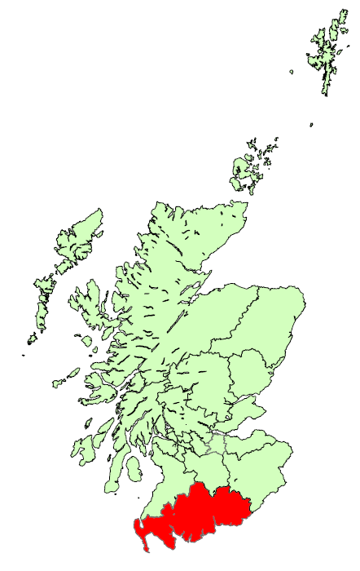

 | 1 Bedroom Properties - Quartile Measures, years to end Sept, (£ monthly): |  |  |  |  |  |  |  |  |  |  | 2 Bedroom Properties - Quartile Measures, years to end Sept, (£ monthly):
 |  | 2010 | 2011 | 2012 | 2013 | 2014 | 2015 | 2016 | 2017 | 2016 to 2017 | 2010 to 2017 |  | 2010 | 2011 | 2012 | 2013 | 2014 | 2015 | 2016 | 2017 | 2016 to 2017 | 2010 to 2017
 | Lower Quartile | 325 | 340 | 350 | 350 | 350 | 350 | 369 | 350 | -5.2% | 7.7% | Lower Quartile | 400 | 420 | 420 | 425 | 410 | 420 | 420 | 425 | 1.2% | 6.3%
 | Median | 360 | 375 | 370 | 375 | 375 | 375 | 380 | 390 | 2.6% | 8.3% | Median | 430 | 450 | 450 | 450 | 450 | 450 | 450 | 450 | 0.0% | 4.7%
 | Mean | 359 | 367 | 366 | 374 | 369 | 373 | 384 | 383 | -0.2% | 6.8% | Mean | 435 | 444 | 444 | 444 | 442 | 446 | 447 | 453 | 1.5% | 4.2%
 | Upper Quartile | 390 | 395 | 395 | 395 | 390 | 400 | 400 | 400 | 0.0% | 2.6% | Upper Quartile | 475 | 475 | 475 | 475 | 475 | 475 | 475 | 475 | 0.0% | 0.0%

 | 3 Bedroom Properties - Quartile Measures, years to end Sept, (£ monthly): |  |  |  |  |  |  |  |  |  |  | 4 Bedroom Properties - Quartile Measures, years to end Sept, (£ monthly):
 |  | 2010 | 2011 | 2012 | 2013 | 2014 | 2015 | 2016 | 2017 | 2016 to 2017 | 2010 to 2017 |  | 2010 | 2011 | 2012 | 2013 | 2014 | 2015 | 2016 | 2017 | 2016 to 2017 | 2010 to 2017
 | Lower Quartile | 440 | 450 | 450 | 475 | 450 | 450 | 450 | 460 | 2.2% | 4.5% | Lower Quartile | 500 | 550 | 545 | 550 | 550 | 550 | 550 | 550 | 0.0% | 10.0%
 | Median | 485 | 500 | 500 | 500 | 500 | 500 | 500 | 500 | 0.0% | 3.1% | Median | 600 | 650 | 623 | 633 | 650 | 650 | 650 | 650 | 0.0% | 8.3%
 | Mean | 500 | 510 | 508 | 508 | 512 | 506 | 514 | 526 | 2.4% | 5.3% | Mean | 620 | 649 | 633 | 635 | 637 | 647 | 646 | 702 | 8.8% | 13.3%
 | Upper Quartile | 550 | 560 | 550 | 550 | 550 | 550 | 550 | 575 | 4.5% | 4.5% | Upper Quartile | 700 | 700 | 675 | 700 | 700 | 750 | 750 | 750 | 0.0% | 7.1%

 | 1 Bedroom Shared Properties - Quartile Measures, years to end Sept, (£ monthly): |  |  |  |  |  |  |  |  |  |  | Sample Sizes:
 |  | 2010 | 2011 | 2012 | 2013 | 2014 | 2015 | 2016 | 2017 | 2016 to 2017 | 2010 to 2017 |  |  |  | 2010 | 2011 | 2012 | 2013 | 2014 | 2015 | 2016 | 2017
 | Lower Quartile | 260 | 255 | 250 | 250 | 255 | 258 | 260 | 255 | -1.9% | -1.9% | 1 Bedroom |  |  | 58 | 82 | 97 | 102 | 114 | 110 | 109 | 110
 | Median | 285 | 275 | 275 | 265 | 272 | 282 | 283 | 288 | 1.8% | 0.9% | 2 Bedrooms |  |  | 180 | 280 | 322 | 339 | 363 | 371 | 341 | 330
 | Mean | 278 | 274 | 275 | 272 | 269 | 278 | 285 | 292 | 2.5% | 5.1% | 3 Bedrooms |  |  | 145 | 200 | 256 | 259 | 284 | 234 | 206 | 190
 | Upper Quartile | 300 | 290 | 305 | 294 | 285 | 305 | 305 | 335 | 9.7% | 11.5% | 4 Bedrooms |  |  | 65 | 80 | 80 | 80 | 65 | 62 | 62 | 54
 |  |  |  |  |  |  |  |  |  |  |  | 1 Bedroom Shared |  |  | 50 | 59 | 55 | 65 | 74 | 80 | 82 | 98

 |  |  |  |  |  |  |  |  |  |  |  |  |  |  |  |  |  |  |  |  |  |  |  | 2010 | 2011 | 2012 | 2013 | 2014 | 2015 | 2016 | 2017
 |  |  |  |  |  |  |  |  |  |  |  |  |  |  |  |  |  |  |  |  |  |  | Scotland | 536 | 546 | 553 | 576 | 596 | 610 | 616 | 643
 |  |  |  |  |  |  |  |  |  |  |  |  |  |  |  |  |  |  |  |  |  |  | Dumfries and Galloway | 435 | 444 | 444 | 444 | 442 | 446 | 447 | 453

Dundee & Angus
Back to contents
 | Broad Rental Market Area Profile: Dundee and Angus
Average (mean) rents between 2016 and 2017 have increased for all property sizes, ranging from an increase of 1.6% for 2 bedroom properties to an increase of 7.7% for 4 bedroom properties. This compares to CPI inflation of 3.0% across this time period. Average rents for all property sizes have also increased between 2010 and 2017, with increases ranging from 11.6% for 2 bedroom properties to 29.1% for 4 bedroom properties. This compares to CPI inflation of 15.9% across this time period.
For all property sizes, except 1 bedroom shared, rent increases between 2010 and 2017 have been greater at the top end (upper quartile) than the bottom end (lower quartile), causing the gap between top and bottom ends of the market to widen.
Average 2 bedroom rents have been lower than the Scotland average in each year since 2010, and the gap has widened since 2011 with the average rent in 2017 being £555 per month, compared to the Scotland average of £643.
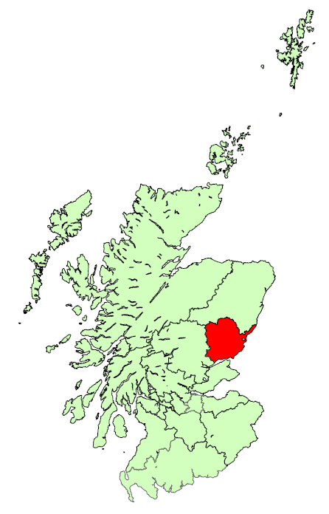

 | 1 Bedroom Properties - Quartile Measures, years to end Sept, (£ monthly): |  |  |  |  |  |  |  |  |  |  | 2 Bedroom Properties - Quartile Measures, years to end Sept, (£ monthly):
 |  | 2010 | 2011 | 2012 | 2013 | 2014 | 2015 | 2016 | 2017 | 2016 to 2017 | 2010 to 2017 |  | 2010 | 2011 | 2012 | 2013 | 2014 | 2015 | 2016 | 2017 | 2016 to 2017 | 2010 to 2017
 | Lower Quartile | 320 | 325 | 330 | 330 | 335 | 350 | 350 | 350 | 0.0% | 9.4% | Lower Quartile | 440 | 450 | 440 | 450 | 450 | 450 | 465 | 475 | 2.2% | 8.0%
 | Median | 350 | 350 | 360 | 350 | 365 | 375 | 375 | 385 | 2.7% | 10.0% | Median | 480 | 500 | 490 | 500 | 500 | 518 | 530 | 540 | 1.9% | 12.5%
 | Mean | 351 | 360 | 361 | 362 | 369 | 381 | 383 | 394 | 2.8% | 12.2% | Mean | 497 | 521 | 503 | 515 | 518 | 531 | 546 | 555 | 1.6% | 11.6%
 | Upper Quartile | 375 | 385 | 380 | 385 | 400 | 400 | 400 | 425 | 6.3% | 13.3% | Upper Quartile | 550 | 585 | 560 | 575 | 575 | 600 | 600 | 623 | 3.8% | 13.2%

 | 3 Bedroom Properties - Quartile Measures, years to end Sept, (£ monthly): |  |  |  |  |  |  |  |  |  |  | 4 Bedroom Properties - Quartile Measures, years to end Sept, (£ monthly):
 |  | 2010 | 2011 | 2012 | 2013 | 2014 | 2015 | 2016 | 2017 | 2016 to 2017 | 2010 to 2017 |  | 2010 | 2011 | 2012 | 2013 | 2014 | 2015 | 2016 | 2017 | 2016 to 2017 | 2010 to 2017
 | Lower Quartile | 550 | 575 | 550 | 550 | 550 | 560 | 600 | 590 | -1.7% | 7.3% | Lower Quartile | 750 | 780 | 750 | 750 | 800 | 825 | 800 | 850 | 6.3% | 13.3%
 | Median | 650 | 650 | 650 | 625 | 650 | 690 | 700 | 700 | 0.0% | 7.7% | Median | 825 | 850 | 850 | 850 | 950 | 950 | 995 | 1,000 | 0.5% | 21.2%
 | Mean | 633 | 651 | 643 | 644 | 668 | 684 | 702 | 717 | 2.2% | 13.4% | Mean | 811 | 894 | 850 | 883 | 961 | 968 | 973 | 1,047 | 7.7% | 29.1%
 | Upper Quartile | 700 | 750 | 725 | 750 | 750 | 795 | 795 | 800 | 0.6% | 14.3% | Upper Quartile | 890 | 1,000 | 950 | 950 | 1,140 | 1,140 | 1,200 | 1,240 | 3.3% | 39.3%

 | 1 Bedroom Shared Properties - Quartile Measures, years to end Sept, (£ monthly): |  |  |  |  |  |  |  |  |  |  | Sample Sizes:
 |  | 2010 | 2011 | 2012 | 2013 | 2014 | 2015 | 2016 | 2017 | 2016 to 2017 | 2010 to 2017 |  |  |  | 2010 | 2011 | 2012 | 2013 | 2014 | 2015 | 2016 | 2017
 | Lower Quartile | 225 | 235 | 238 | 250 | 250 | 250 | 250 | 260 | 4.0% | 15.6% | 1 Bedroom |  |  | 319 | 458 | 483 | 437 | 405 | 406 | 382 | 369
 | Median | 250 | 260 | 265 | 273 | 275 | 290 | 300 | 290 | -3.3% | 16.0% | 2 Bedrooms |  |  | 613 | 818 | 918 | 790 | 856 | 860 | 950 | 728
 | Mean | 263 | 263 | 270 | 268 | 274 | 289 | 296 | 309 | 4.6% | 17.6% | 3 Bedrooms |  |  | 198 | 224 | 283 | 245 | 303 | 283 | 335 | 275
 | Upper Quartile | 300 | 290 | 300 | 300 | 300 | 320 | 320 | 340 | 6.3% | 13.3% | 4 Bedrooms |  |  | 71 | 107 | 121 | 93 | 107 | 105 | 85 | 115
 |  |  |  |  |  |  |  |  |  |  |  | 1 Bedroom Shared |  |  | 94 | 138 | 143 | 108 | 104 | 95 | 93 | 200

 |  |  |  |  |  |  |  |  |  |  |  |  |  |  |  |  |  |  |  |  |  |  |  | 2010 | 2011 | 2012 | 2013 | 2014 | 2015 | 2016 | 2017
 |  |  |  |  |  |  |  |  |  |  |  |  |  |  |  |  |  |  |  |  |  |  | Scotland | 536 | 546 | 553 | 576 | 596 | 610 | 616 | 643
 |  |  |  |  |  |  |  |  |  |  |  |  |  |  |  |  |  |  |  |  |  |  | Dundee and Angus | 497 | 521 | 503 | 515 | 518 | 531 | 546 | 555

East Dunbartonshire
Back to contents
 | Broad Rental Market Area Profile: East Dunbartonshire
Average (mean) rents in East Dunbartonshire have increased for all property sizes between 2016 and 2017. Increases range from 1.9%, for 1 bedroom properties, up to 21.5% for 4 bedroom properties, which compares to CPI inflation of 3.0% across this time period. Average rents for all property sizes also increased between 2010 and 2017, with increases ranging from 8.5% to 36.7% for 1 bedroom and 4 bedroom properties, respectively. This compares to CPI inflation of 15.9% across this time period.
For all property types, except 4 bedroom, rents between 2010 and 2017 have increased more at the top end (upper quartile) that at bottom end (lower quartile) of the market, causing a widening gap between the top and bottom end of the market.
Average 2 bedroom rents have been higher than the Scotland average in each year since 2010, although rents have been only slightly higher than the Scotland figures since 2013 onwards, with the average rent in 2017 being £653 per month, compared to the Scotland average of £643.
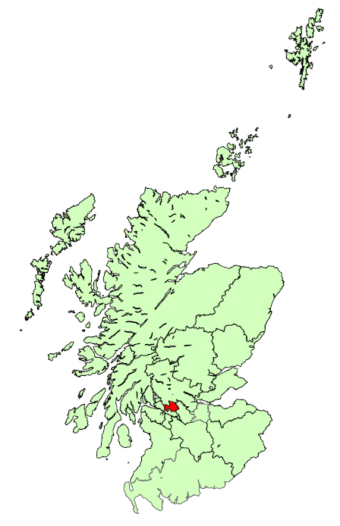

 | 1 Bedroom Properties - Quartile Measures, years to end Sept, (£ monthly): |  |  |  |  |  |  |  |  |  |  | 2 Bedroom Properties - Quartile Measures, years to end Sept, (£ monthly):
 |  | 2010 | 2011 | 2012 | 2013 | 2014 | 2015 | 2016 | 2017 | 2016 to 2017 | 2010 to 2017 |  | 2010 | 2011 | 2012 | 2013 | 2014 | 2015 | 2016 | 2017 | 2016 to 2017 | 2010 to 2017
 | Lower Quartile | 400 | 413 | 400 | 420 | 425 | 425 | 425 | 425 | 0.0% | 6.3% | Lower Quartile | 525 | 500 | 525 | 500 | 525 | 525 | 550 | 550 | 0.0% | 4.8%
 | Median | 425 | 450 | 425 | 450 | 450 | 450 | 450 | 450 | 0.0% | 5.9% | Median | 575 | 550 | 595 | 575 | 575 | 575 | 625 | 600 | -4.0% | 4.3%
 | Mean | 450 | 457 | 441 | 466 | 472 | 461 | 479 | 488 | 1.9% | 8.5% | Mean | 581 | 572 | 609 | 587 | 604 | 611 | 636 | 653 | 2.8% | 12.4%
 | Upper Quartile | 475 | 475 | 475 | 495 | 525 | 495 | 525 | 550 | 4.8% | 15.8% | Upper Quartile | 625 | 650 | 680 | 650 | 695 | 675 | 695 | 750 | 7.9% | 20.0%

 | 3 Bedroom Properties - Quartile Measures, years to end Sept, (£ monthly): |  |  |  |  |  |  |  |  |  |  | 4 Bedroom Properties - Quartile Measures, years to end Sept, (£ monthly):
 |  | 2010 | 2011 | 2012 | 2013 | 2014 | 2015 | 2016 | 2017 | 2016 to 2017 | 2010 to 2017 |  | 2010 | 2011 | 2012 | 2013 | 2014 | 2015 | 2016 | 2017 | 2016 to 2017 | 2010 to 2017
 | Lower Quartile | 650 | 650 | 695 | 650 | 695 | 695 | 695 | 775 | 11.5% | 19.2% | Lower Quartile | 900 | 950 | 900 | 950 | 923 | 950 | 963 | 1,200 | 24.7% | 33.3%
 | Median | 700 | 730 | 750 | 750 | 795 | 798 | 795 | 893 | 12.3% | 27.5% | Median | 995 | 1,100 | 1,195 | 1,100 | 1,200 | 1,200 | 1,100 | 1,500 | 36.4% | 50.8%
 | Mean | 750 | 772 | 810 | 798 | 799 | 820 | 859 | 924 | 7.5% | 23.2% | Mean | 1,135 | 1,204 | 1,138 | 1,246 | 1,280 | 1,264 | 1,277 | 1,552 | 21.5% | 36.7%
 | Upper Quartile | 775 | 800 | 895 | 850 | 890 | 900 | 985 | 1,000 | 1.5% | 29.0% | Upper Quartile | 1,350 | 1,400 | 1,300 | 1,500 | 1,525 | 1,500 | 1,500 | 1,650 | 10.0% | 22.2%

 | 1 Bedroom Shared Properties - Quartile Measures, years to end Sept, (£ monthly): |  |  |  |  |  |  |  |  |  |  | Sample Sizes:
 |  | 2010 | 2011 | 2012 | 2013 | 2014 | 2015 | 2016 | 2017 | 2016 to 2017 | 2010 to 2017 |  |  |  | 2010 | 2011 | 2012 | 2013 | 2014 | 2015 | 2016 | 2017
 | Lower Quartile | 274 | 257 | 285 | 282 | 285 | 280 | 275 | 325 | 18.2% | 18.6% | 1 Bedroom |  |  | 75 | 84 | 70 | 52 | 58 | 111 | 98 | 71
 | Median | 300 | 305 | 328 | 310 | 315 | 320 | 325 | 375 | 15.4% | 25.0% | 2 Bedrooms |  |  | 172 | 137 | 114 | 123 | 150 | 177 | 144 | 169
 | Mean | 300 | 304 | 338 | 323 | 322 | 312 | 325 | 385 | 18.7% | 28.3% | 3 Bedrooms |  |  | 110 | 115 | 79 | 95 | 114 | 98 | 105 | 106
 | Upper Quartile | 324 | 335 | 368 | 377 | 342 | 325 | 375 | 425 | 13.3% | 31.2% | 4 Bedrooms |  |  | 43 | 51 | 37 | 48 | 40 | 46 | 40 | 42
 |  |  |  |  |  |  |  |  |  |  |  | 1 Bedroom Shared |  |  | 22 | 31 | 26 | 38 | 28 | 32 | 22 | 30

 |  |  |  |  |  |  |  |  |  |  |  |  |  |  |  |  |  |  |  |  |  |  |  | 2010 | 2011 | 2012 | 2013 | 2014 | 2015 | 2016 | 2017
 |  |  |  |  |  |  |  |  |  |  |  |  |  |  |  |  |  |  |  |  |  |  | Scotland | 536 | 546 | 553 | 576 | 596 | 610 | 616 | 643
 |  |  |  |  |  |  |  |  |  |  |  |  |  |  |  |  |  |  |  |  |  |  | East Dunbartonshire | 581 | 572 | 609 | 587 | 604 | 611 | 636 | 653

Fife
Back to contents
 | Broad Rental Market Area Profile: Fife
Average (mean) rents in Fife have increased between 2016 and 2017 for all property sizes, except 1 bedroom shared. Increases range from between 1.8% for 4 bedroom properties to 6.5% for 3 bedroom properties. Average rents have decreased for 1 bedroom shared properties by 5.6%. This compares to CPI inflation of 3.0% across this time period. Between 2010 and 2017 average rents have increased across all property sizes, ranging from an increase of 8.6% for 1 bedroom properties to an increase of 28.4% for 1 bedroom shared properties. This compares to CPI inflation of 15.9% across this time period.
For all property types greater increases in the top end (upper quartile) of rents compared to the bottom end (lower quartile) have widened the gap in rents between 2010 and 2017.
Average 2 bedroom rents have been lower than the Scotland average in each year since 2010, and the gap has grown slightly over the years, with the average rent in 2017 being £533 per month, compared to the Scotland average of £643.
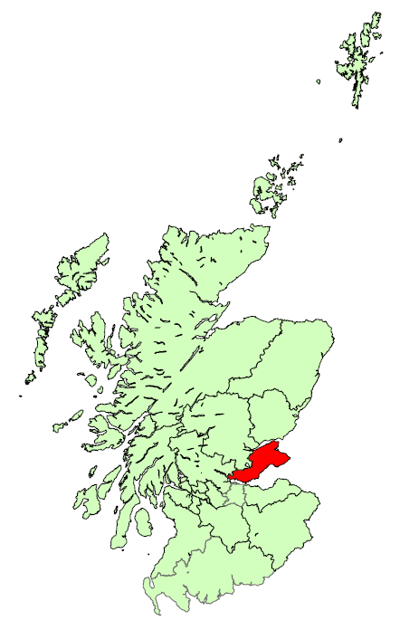

 | 1 Bedroom Properties - Quartile Measures, years to end Sept, (£ monthly): |  |  |  |  |  |  |  |  |  |  | 2 Bedroom Properties - Quartile Measures, years to end Sept, (£ monthly):
 |  | 2010 | 2011 | 2012 | 2013 | 2014 | 2015 | 2016 | 2017 | 2016 to 2017 | 2010 to 2017 |  | 2010 | 2011 | 2012 | 2013 | 2014 | 2015 | 2016 | 2017 | 2016 to 2017 | 2010 to 2017
 | Lower Quartile | 350 | 350 | 350 | 350 | 350 | 350 | 360 | 365 | 1.4% | 4.3% | Lower Quartile | 420 | 425 | 430 | 425 | 450 | 440 | 450 | 450 | 0.0% | 7.1%
 | Median | 370 | 375 | 375 | 375 | 395 | 395 | 395 | 400 | 1.3% | 8.1% | Median | 450 | 470 | 470 | 475 | 490 | 475 | 495 | 500 | 1.0% | 11.1%
 | Mean | 379 | 383 | 387 | 381 | 405 | 395 | 403 | 411 | 2.2% | 8.6% | Mean | 464 | 477 | 481 | 485 | 510 | 498 | 511 | 533 | 4.4% | 14.9%
 | Upper Quartile | 395 | 400 | 400 | 400 | 425 | 425 | 425 | 450 | 5.9% | 13.9% | Upper Quartile | 495 | 520 | 510 | 525 | 550 | 550 | 550 | 575 | 4.5% | 16.2%

 | 3 Bedroom Properties - Quartile Measures, years to end Sept, (£ monthly): |  |  |  |  |  |  |  |  |  |  | 4 Bedroom Properties - Quartile Measures, years to end Sept, (£ monthly):
 |  | 2010 | 2011 | 2012 | 2013 | 2014 | 2015 | 2016 | 2017 | 2016 to 2017 | 2010 to 2017 |  | 2010 | 2011 | 2012 | 2013 | 2014 | 2015 | 2016 | 2017 | 2016 to 2017 | 2010 to 2017
 | Lower Quartile | 480 | 495 | 500 | 500 | 525 | 500 | 520 | 550 | 5.8% | 14.6% | Lower Quartile | 695 | 750 | 750 | 750 | 750 | 750 | 775 | 790 | 1.9% | 13.7%
 | Median | 525 | 560 | 575 | 575 | 590 | 575 | 575 | 613 | 6.5% | 16.7% | Median | 790 | 800 | 825 | 850 | 850 | 850 | 875 | 895 | 2.3% | 13.3%
 | Mean | 563 | 589 | 592 | 600 | 609 | 602 | 617 | 657 | 6.5% | 16.7% | Mean | 773 | 824 | 860 | 884 | 871 | 884 | 901 | 917 | 1.8% | 18.6%
 | Upper Quartile | 628 | 650 | 650 | 675 | 675 | 680 | 695 | 750 | 7.9% | 19.5% | Upper Quartile | 850 | 895 | 895 | 925 | 948 | 950 | 975 | 995 | 2.1% | 17.1%

 | 1 Bedroom Shared Properties - Quartile Measures, years to end Sept, (£ monthly): |  |  |  |  |  |  |  |  |  |  | Sample Sizes:
 |  | 2010 | 2011 | 2012 | 2013 | 2014 | 2015 | 2016 | 2017 | 2016 to 2017 | 2010 to 2017 |  |  |  | 2010 | 2011 | 2012 | 2013 | 2014 | 2015 | 2016 | 2017
 | Lower Quartile | 238 | 224 | 251 | 274 | 275 | 275 | 290 | 275 | -5.2% | 15.4% | 1 Bedroom |  |  | 202 | 186 | 227 | 253 | 180 | 279 | 322 | 325
 | Median | 256 | 250 | 285 | 303 | 304 | 316 | 352 | 348 | -1.1% | 36.1% | 2 Bedrooms |  |  | 606 | 503 | 711 | 738 | 626 | 812 | 680 | 611
 | Mean | 271 | 254 | 292 | 313 | 312 | 321 | 368 | 348 | -5.6% | 28.4% | 3 Bedrooms |  |  | 272 | 282 | 407 | 381 | 415 | 455 | 434 | 348
 | Upper Quartile | 282 | 275 | 325 | 337 | 350 | 355 | 410 | 380 | -7.4% | 34.7% | 4 Bedrooms |  |  | 106 | 120 | 185 | 138 | 168 | 167 | 151 | 125
 |  |  |  |  |  |  |  |  |  |  |  | 1 Bedroom Shared |  |  | 49 | 69 | 109 | 152 | 146 | 209 | 162 | 162

 |  |  |  |  |  |  |  |  |  |  |  |  |  |  |  |  |  |  |  |  |  |  |  | 2010 | 2011 | 2012 | 2013 | 2014 | 2015 | 2016 | 2017
 |  |  |  |  |  |  |  |  |  |  |  |  |  |  |  |  |  |  |  |  |  |  | Scotland | 536 | 546 | 553 | 576 | 596 | 610 | 616 | 643
 |  |  |  |  |  |  |  |  |  |  |  |  |  |  |  |  |  |  |  |  |  |  | Fife | 464 | 477 | 481 | 485 | 510 | 498 | 511 | 533

Forth Valley
Back to contents
 | Broad Rental Market Area Profile: Forth Valley
Between 2016 and 2017, average (mean) rents in Forth Valley have increased for all property sizes. The increases range from 1.8% for both 1 bedroom and 1 bedroom shared properties to 10.9% for 3 bedroom properties, which compares to CPI inflation of 3.0% across this time period. Average rents between 2010 and 2017 have also increased for all property sizes. Increases range from 7.2% for 1 bedroom properties to 29.5% for 1 bedroom shared properties, which compares to CPI inflation of 15.9% across this time period.
Across all property sizes, since 2010 there has been greater increases in the top end rents (upper quartile) than the bottom end (lower quartile), resulting in the gap between top and bottom ends of the market widening.
Average 2 bedroom rents have been lower than the Scotland average in each year since 2010, with the average rent in 2017 being £563 per month, compared to the Scotland average of £643. The gap grew between 2011 and 2015, then narrowed in 2016 and 2017.
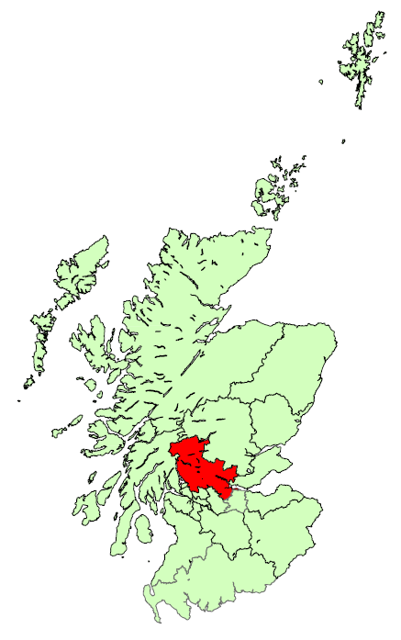

 | 1 Bedroom Properties - Quartile Measures, years to end Sept, (£ monthly): |  |  |  |  |  |  |  |  |  |  | 2 Bedroom Properties - Quartile Measures, years to end Sept, (£ monthly):
 |  | 2010 | 2011 | 2012 | 2013 | 2014 | 2015 | 2016 | 2017 | 2016 to 2017 | 2010 to 2017 |  | 2010 | 2011 | 2012 | 2013 | 2014 | 2015 | 2016 | 2017 | 2016 to 2017 | 2010 to 2017
 | Lower Quartile | 350 | 350 | 350 | 350 | 350 | 358 | 355 | 350 | -1.4% | 0.0% | Lower Quartile | 435 | 450 | 450 | 450 | 435 | 450 | 450 | 475 | 5.6% | 9.2%
 | Median | 375 | 385 | 395 | 390 | 393 | 380 | 395 | 395 | 0.0% | 5.3% | Median | 483 | 495 | 500 | 495 | 495 | 495 | 510 | 550 | 7.8% | 14.0%
 | Mean | 387 | 385 | 393 | 389 | 387 | 396 | 408 | 415 | 1.8% | 7.2% | Mean | 492 | 507 | 510 | 506 | 506 | 508 | 530 | 563 | 6.2% | 14.2%
 | Upper Quartile | 418 | 400 | 425 | 425 | 425 | 425 | 450 | 450 | 0.0% | 7.8% | Upper Quartile | 550 | 550 | 550 | 550 | 550 | 550 | 595 | 625 | 5.0% | 13.6%

 | 3 Bedroom Properties - Quartile Measures, years to end Sept, (£ monthly): |  |  |  |  |  |  |  |  |  |  | 4 Bedroom Properties - Quartile Measures, years to end Sept, (£ monthly):
 |  | 2010 | 2011 | 2012 | 2013 | 2014 | 2015 | 2016 | 2017 | 2016 to 2017 | 2010 to 2017 |  | 2010 | 2011 | 2012 | 2013 | 2014 | 2015 | 2016 | 2017 | 2016 to 2017 | 2010 to 2017
 | Lower Quartile | 525 | 545 | 545 | 550 | 525 | 525 | 545 | 595 | 9.2% | 13.3% | Lower Quartile | 750 | 733 | 750 | 775 | 775 | 795 | 800 | 875 | 9.4% | 16.7%
 | Median | 600 | 600 | 625 | 600 | 595 | 600 | 650 | 695 | 6.9% | 15.8% | Median | 800 | 800 | 850 | 850 | 850 | 850 | 950 | 995 | 4.7% | 24.4%
 | Mean | 643 | 627 | 648 | 637 | 637 | 634 | 678 | 752 | 10.9% | 17.0% | Mean | 857 | 858 | 884 | 892 | 879 | 906 | 1,052 | 1,095 | 4.1% | 27.8%
 | Upper Quartile | 700 | 695 | 725 | 695 | 750 | 695 | 750 | 850 | 13.3% | 21.4% | Upper Quartile | 900 | 900 | 950 | 975 | 900 | 1,000 | 1,200 | 1,295 | 7.9% | 43.9%

 | 1 Bedroom Shared Properties - Quartile Measures, years to end Sept, (£ monthly): |  |  |  |  |  |  |  |  |  |  | Sample Sizes:
 |  | 2010 | 2011 | 2012 | 2013 | 2014 | 2015 | 2016 | 2017 | 2016 to 2017 | 2010 to 2017 |  |  |  | 2010 | 2011 | 2012 | 2013 | 2014 | 2015 | 2016 | 2017
 | Lower Quartile | 255 | 250 | 250 | 260 | 270 | 273 | 294 | 300 | 1.9% | 17.6% | 1 Bedroom |  |  | 260 | 208 | 217 | 219 | 218 | 300 | 350 | 321
 | Median | 285 | 275 | 275 | 275 | 305 | 300 | 333 | 340 | 2.1% | 19.3% | 2 Bedrooms |  |  | 660 | 576 | 581 | 582 | 540 | 739 | 709 | 491
 | Mean | 276 | 278 | 273 | 285 | 308 | 308 | 351 | 357 | 1.8% | 29.5% | 3 Bedrooms |  |  | 301 | 241 | 194 | 199 | 176 | 236 | 286 | 244
 | Upper Quartile | 300 | 298 | 300 | 315 | 354 | 350 | 375 | 385 | 2.7% | 28.3% | 4 Bedrooms |  |  | 130 | 144 | 114 | 71 | 73 | 83 | 100 | 75
 |  |  |  |  |  |  |  |  |  |  |  | 1 Bedroom Shared |  |  | 37 | 56 | 67 | 85 | 108 | 135 | 105 | 137

 |  |  |  |  |  |  |  |  |  |  |  |  |  |  |  |  |  |  |  |  |  |  |  | 2010 | 2011 | 2012 | 2013 | 2014 | 2015 | 2016 | 2017
 |  |  |  |  |  |  |  |  |  |  |  |  |  |  |  |  |  |  |  |  |  |  | Scotland | 536 | 546 | 553 | 576 | 596 | 610 | 616 | 643
 |  |  |  |  |  |  |  |  |  |  |  |  |  |  |  |  |  |  |  |  |  |  | Forth Valley | 492 | 507 | 510 | 506 | 506 | 508 | 530 | 563

Greater Glasgow
Back to contents
 | Broad Rental Market Area Profile: Greater Glasgow
Average (mean) rents in the Greater Glasgow area have increased for all property sizes between 2016 and 2017, ranging from an increase of 3.6% for 1 bedroom shared properties to an increase of 17.3% for 4 bedroom properties. This compares to CPI inflation of 3.0% across this time period. Average rents have also increased between 2010 and 2017, with increases ranging from 23.1% to 42.8% for 1 bedroom shared and 4 bedroom properties, respectively. This compares to CPI inflation of 15.9% across this time period.
For all property sizes there have been greater increases in the top end (upper quartile) of rents between 2010 and 2017, which has widened the gap in rents compared to the bottom end of the market (lower quartile).
Average 2 bedroom rents have been higher than the Scotland average in each year since 2010, and the difference has grown since 2014, with the average rent in 2017 being £745 per month, compared to the Scotland average of £643.


 | 1 Bedroom Properties - Quartile Measures, years to end Sept, (£ monthly): |  |  |  |  |  |  |  |  |  |  | 2 Bedroom Properties - Quartile Measures, years to end Sept, (£ monthly):
 |  | 2010 | 2011 | 2012 | 2013 | 2014 | 2015 | 2016 | 2017 | 2016 to 2017 | 2010 to 2017 |  | 2010 | 2011 | 2012 | 2013 | 2014 | 2015 | 2016 | 2017 | 2016 to 2017 | 2010 to 2017
 | Lower Quartile | 380 | 395 | 375 | 395 | 395 | 420 | 425 | 450 | 5.9% | 18.4% | Lower Quartile | 495 | 495 | 495 | 495 | 500 | 525 | 550 | 575 | 4.5% | 16.2%
 | Median | 425 | 450 | 430 | 450 | 450 | 480 | 495 | 525 | 6.1% | 23.5% | Median | 550 | 550 | 550 | 550 | 575 | 625 | 650 | 695 | 6.9% | 26.4%
 | Mean | 437 | 451 | 444 | 456 | 476 | 501 | 520 | 549 | 5.6% | 25.6% | Mean | 564 | 588 | 573 | 594 | 626 | 668 | 696 | 745 | 7.0% | 32.1%
 | Upper Quartile | 485 | 495 | 495 | 500 | 535 | 575 | 595 | 625 | 5.0% | 28.9% | Upper Quartile | 600 | 650 | 625 | 650 | 695 | 750 | 795 | 850 | 6.9% | 41.7%

 | 3 Bedroom Properties - Quartile Measures, years to end Sept, (£ monthly): |  |  |  |  |  |  |  |  |  |  | 4 Bedroom Properties - Quartile Measures, years to end Sept, (£ monthly):
 |  | 2010 | 2011 | 2012 | 2013 | 2014 | 2015 | 2016 | 2017 | 2016 to 2017 | 2010 to 2017 |  | 2010 | 2011 | 2012 | 2013 | 2014 | 2015 | 2016 | 2017 | 2016 to 2017 | 2010 to 2017
 | Lower Quartile | 575 | 575 | 575 | 575 | 568 | 595 | 600 | 650 | 8.3% | 13.0% | Lower Quartile | 845 | 875 | 800 | 895 | 895 | 850 | 925 | 1,150 | 24.3% | 36.1%
 | Median | 695 | 695 | 695 | 675 | 695 | 750 | 800 | 850 | 6.3% | 22.3% | Median | 1,000 | 1,100 | 950 | 1,000 | 1,200 | 1,100 | 1,250 | 1,500 | 20.0% | 50.0%
 | Mean | 728 | 753 | 734 | 753 | 796 | 834 | 915 | 965 | 5.4% | 32.5% | Mean | 1,067 | 1,170 | 1,049 | 1,190 | 1,211 | 1,189 | 1,299 | 1,524 | 17.3% | 42.8%
 | Upper Quartile | 825 | 863 | 800 | 850 | 900 | 975 | 1,170 | 1,200 | 2.6% | 45.5% | Upper Quartile | 1,250 | 1,300 | 1,250 | 1,400 | 1,500 | 1,500 | 1,600 | 1,800 | 12.5% | 44.0%

 | 1 Bedroom Shared Properties - Quartile Measures, years to end Sept, (£ monthly): |  |  |  |  |  |  |  |  |  |  | Sample Sizes:
 |  | 2010 | 2011 | 2012 | 2013 | 2014 | 2015 | 2016 | 2017 | 2016 to 2017 | 2010 to 2017 |  |  |  | 2010 | 2011 | 2012 | 2013 | 2014 | 2015 | 2016 | 2017
 | Lower Quartile | 284 | 270 | 275 | 290 | 293 | 285 | 308 | 325 | 5.5% | 14.4% | 1 Bedroom |  |  | 868 | 747 | 998 | 945 | 1116 | 1097 | 1289 | 1343
 | Median | 300 | 300 | 303 | 320 | 325 | 335 | 350 | 375 | 7.1% | 25.0% | 2 Bedrooms |  |  | 1486 | 1374 | 1570 | 1623 | 1840 | 1856 | 2199 | 2443
 | Mean | 313 | 295 | 312 | 323 | 346 | 353 | 372 | 386 | 3.6% | 23.1% | 3 Bedrooms |  |  | 474 | 476 | 474 | 503 | 512 | 545 | 566 | 745
 | Upper Quartile | 345 | 325 | 350 | 350 | 400 | 400 | 425 | 435 | 2.2% | 25.9% | 4 Bedrooms |  |  | 219 | 233 | 227 | 138 | 130 | 127 | 123 | 196
 |  |  |  |  |  |  |  |  |  |  |  | 1 Bedroom Shared |  |  | 190 | 302 | 372 | 379 | 273 | 255 | 189 | 346

 |  |  |  |  |  |  |  |  |  |  |  |  |  |  |  |  |  |  |  |  |  |  |  | 2010 | 2011 | 2012 | 2013 | 2014 | 2015 | 2016 | 2017
 |  |  |  |  |  |  |  |  |  |  |  |  |  |  |  |  |  |  |  |  |  |  | Scotland | 536 | 546 | 553 | 576 | 596 | 610 | 616 | 643
 |  |  |  |  |  |  |  |  |  |  |  |  |  |  |  |  |  |  |  |  |  |  | Greater Glasgow | 564 | 588 | 573 | 594 | 626 | 668 | 696 | 745

Highlands & Islands
Back to contents
 | Broad Rental Market Area Profile: Highlands and Islands
Average (mean) rents in the Highlands and Islands have increased for all property sizes between 2016 and 2017. Increases ranged from 0.7% for 4 bedroom properties, to 3.1% for 3 bedroom properties, which compares to CPI inflation of 3.0% across this time period. Average rents have also increased for all property sizes between 2010 and 2017, ranging from an increase of 10.3% for 4 bedroom properties to an increase of 16.4% for 3 bedroom properties. This compares to CPI inflation of 15.9% across this time period.
For all property sizes there have been greater increases at the top end (upper quartile) than the bottom end (lower quartile) of the market between 2010 and 2017, which has resulted in a widening gap between top and bottom ends of the market.
Average 2 bedroom rents have been lower than the Scotland average in each year since 2010, with the average rent in 2017 being £575 per month, compared to the Scotland average of £643. The gap has grown over the years.
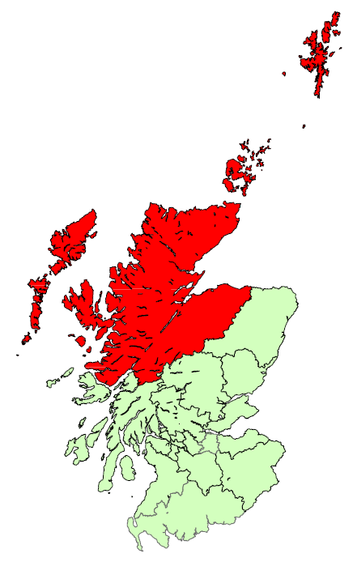

 | 1 Bedroom Properties - Quartile Measures, years to end Sept, (£ monthly): |  |  |  |  |  |  |  |  |  |  | 2 Bedroom Properties - Quartile Measures, years to end Sept, (£ monthly):
 |  | 2010 | 2011 | 2012 | 2013 | 2014 | 2015 | 2016 | 2017 | 2016 to 2017 | 2010 to 2017 |  | 2010 | 2011 | 2012 | 2013 | 2014 | 2015 | 2016 | 2017 | 2016 to 2017 | 2010 to 2017
 | Lower Quartile | 375 | 375 | 375 | 395 | 400 | 400 | 400 | 400 | 0.0% | 6.7% | Lower Quartile | 450 | 460 | 450 | 475 | 475 | 495 | 500 | 500 | 0.0% | 11.1%
 | Median | 420 | 420 | 425 | 430 | 445 | 450 | 470 | 475 | 1.1% | 13.1% | Median | 500 | 500 | 500 | 525 | 525 | 550 | 550 | 550 | 0.0% | 10.0%
 | Mean | 415 | 420 | 424 | 431 | 440 | 450 | 461 | 470 | 2.1% | 13.3% | Mean | 503 | 514 | 516 | 527 | 532 | 545 | 561 | 575 | 2.5% | 14.2%
 | Upper Quartile | 450 | 450 | 450 | 475 | 475 | 495 | 500 | 520 | 4.0% | 15.6% | Upper Quartile | 550 | 550 | 550 | 575 | 580 | 600 | 625 | 650 | 4.0% | 18.2%

 | 3 Bedroom Properties - Quartile Measures, years to end Sept, (£ monthly): |  |  |  |  |  |  |  |  |  |  | 4 Bedroom Properties - Quartile Measures, years to end Sept, (£ monthly):
 |  | 2010 | 2011 | 2012 | 2013 | 2014 | 2015 | 2016 | 2017 | 2016 to 2017 | 2010 to 2017 |  | 2010 | 2011 | 2012 | 2013 | 2014 | 2015 | 2016 | 2017 | 2016 to 2017 | 2010 to 2017
 | Lower Quartile | 525 | 550 | 550 | 550 | 550 | 550 | 575 | 595 | 3.5% | 13.3% | Lower Quartile | 650 | 650 | 650 | 650 | 675 | 695 | 695 | 693 | -0.4% | 6.5%
 | Median | 600 | 625 | 620 | 600 | 600 | 650 | 650 | 695 | 6.9% | 15.8% | Median | 775 | 750 | 750 | 750 | 750 | 795 | 813 | 825 | 1.5% | 6.5%
 | Mean | 595 | 620 | 623 | 620 | 625 | 652 | 672 | 692 | 3.1% | 16.4% | Mean | 751 | 745 | 755 | 749 | 762 | 814 | 822 | 828 | 0.7% | 10.3%
 | Upper Quartile | 650 | 695 | 695 | 695 | 700 | 750 | 765 | 795 | 3.9% | 22.3% | Upper Quartile | 850 | 825 | 850 | 850 | 850 | 900 | 950 | 913 | -3.9% | 7.4%

 | 1 Bedroom Shared Properties - Quartile Measures, years to end Sept, (£ monthly): |  |  |  |  |  |  |  |  |  |  | Sample Sizes:
 |  | 2010 | 2011 | 2012 | 2013 | 2014 | 2015 | 2016 | 2017 | 2016 to 2017 | 2010 to 2017 |  |  |  | 2010 | 2011 | 2012 | 2013 | 2014 | 2015 | 2016 | 2017
 | Lower Quartile | 255 | 258 | 250 | 250 | 253 | 270 | 276 | 280 | 1.5% | 9.8% | 1 Bedroom |  |  | 175 | 244 | 257 | 179 | 236 | 258 | 269 | 243
 | Median | 285 | 285 | 275 | 285 | 290 | 300 | 306 | 300 | -2.1% | 5.3% | 2 Bedrooms |  |  | 585 | 783 | 785 | 566 | 741 | 734 | 733 | 738
 | Mean | 287 | 289 | 279 | 318 | 291 | 315 | 320 | 327 | 2.3% | 13.9% | 3 Bedrooms |  |  | 362 | 467 | 491 | 355 | 436 | 347 | 361 | 370
 | Upper Quartile | 310 | 320 | 300 | 312 | 318 | 335 | 350 | 375 | 7.1% | 21.0% | 4 Bedrooms |  |  | 117 | 170 | 184 | 128 | 123 | 129 | 108 | 100
 |  |  |  |  |  |  |  |  |  |  |  | 1 Bedroom Shared |  |  | 101 | 133 | 143 | 126 | 134 | 201 | 178 | 157

 |  |  |  |  |  |  |  |  |  |  |  |  |  |  |  |  |  |  |  |  |  |  |  | 2010 | 2011 | 2012 | 2013 | 2014 | 2015 | 2016 | 2017
 |  |  |  |  |  |  |  |  |  |  |  |  |  |  |  |  |  |  |  |  |  |  | Scotland | 536 | 546 | 553 | 576 | 596 | 610 | 616 | 643
 |  |  |  |  |  |  |  |  |  |  |  |  |  |  |  |  |  |  |  |  |  |  | Highland and Islands | 503 | 514 | 516 | 527 | 532 | 545 | 561 | 575

Lothian
Back to contents
 | Broad Rental Market Area Profile: Lothian
Average (mean) rents in the Lothian area have increased for all property sizes between 2016 and 2017, ranging from 2.9% for 3 bedroom properties, to 7.9% for 1 bedroom properties. This compares to CPI inflation of 3.0% across this time period. Average rents have also increased for all property sizes between 2010 and 2017. Increases over this time period ranged from 22.0% for 1 bedroom shared properties to 35.3% for 1 bedroom properties, which compares to CPI inflation of 15.9%.
For all property sizes, since 2010 increases in the top end (upper quartile) of rents have been greater than increases in the bottom end (lower quartile), which has widened the gap in rents.
Average 2 bedroom rents have been higher than the Scotland average in each year since 2010, and this difference has grown since 2013, with the average rent in 2017 being £888 per month, compared to the Scotland average of £643.
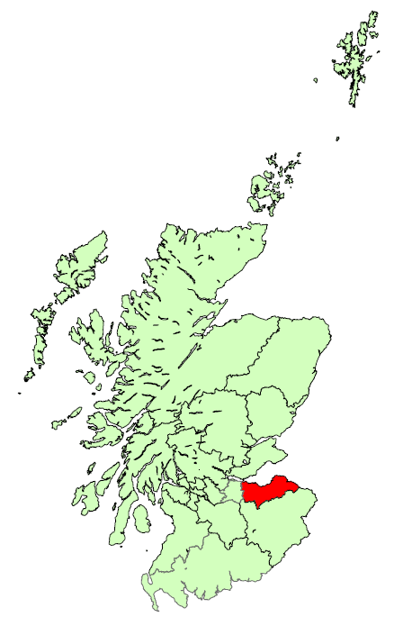

 | 1 Bedroom Properties - Quartile Measures, years to end Sept, (£ monthly): |  |  |  |  |  |  |  |  |  |  | 2 Bedroom Properties - Quartile Measures, years to end Sept, (£ monthly):
 |  | 2010 | 2011 | 2012 | 2013 | 2014 | 2015 | 2016 | 2017 | 2016 to 2017 | 2010 to 2017 |  | 2010 | 2011 | 2012 | 2013 | 2014 | 2015 | 2016 | 2017 | 2016 to 2017 | 2010 to 2017
 | Lower Quartile | 465 | 480 | 495 | 495 | 515 | 550 | 575 | 625 | 8.7% | 34.4% | Lower Quartile | 580 | 595 | 600 | 625 | 630 | 675 | 700 | 750 | 7.1% | 29.3%
 | Median | 500 | 525 | 525 | 525 | 550 | 595 | 625 | 675 | 8.0% | 35.0% | Median | 650 | 650 | 650 | 680 | 705 | 775 | 800 | 850 | 6.3% | 30.8%
 | Mean | 520 | 535 | 542 | 555 | 582 | 620 | 653 | 704 | 7.9% | 35.3% | Mean | 665 | 689 | 700 | 729 | 779 | 829 | 831 | 888 | 6.9% | 33.7%
 | Upper Quartile | 550 | 575 | 575 | 595 | 625 | 675 | 700 | 750 | 7.1% | 36.4% | Upper Quartile | 715 | 750 | 750 | 775 | 840 | 900 | 925 | 975 | 5.4% | 36.4%

 | 3 Bedroom Properties - Quartile Measures, years to end Sept, (£ monthly): |  |  |  |  |  |  |  |  |  |  | 4 Bedroom Properties - Quartile Measures, years to end Sept, (£ monthly):
 |  | 2010 | 2011 | 2012 | 2013 | 2014 | 2015 | 2016 | 2017 | 2016 to 2017 | 2010 to 2017 |  | 2010 | 2011 | 2012 | 2013 | 2014 | 2015 | 2016 | 2017 | 2016 to 2017 | 2010 to 2017
 | Lower Quartile | 750 | 750 | 795 | 795 | 800 | 825 | 860 | 895 | 4.1% | 19.3% | Lower Quartile | 1,100 | 1,045 | 1,100 | 1,175 | 1,050 | 1,200 | 1,225 | 1,275 | 4.1% | 15.9%
 | Median | 895 | 895 | 925 | 920 | 985 | 1,000 | 1,100 | 1,100 | 0.0% | 22.9% | Median | 1,280 | 1,300 | 1,300 | 1,400 | 1,395 | 1,500 | 1,500 | 1,600 | 6.7% | 25.0%
 | Mean | 918 | 925 | 983 | 971 | 1,066 | 1,097 | 1,112 | 1,144 | 2.9% | 24.6% | Mean | 1,291 | 1,321 | 1,341 | 1,416 | 1,428 | 1,511 | 1,512 | 1,592 | 5.3% | 23.4%
 | Upper Quartile | 1,005 | 1,050 | 1,100 | 1,100 | 1,215 | 1,300 | 1,300 | 1,350 | 3.8% | 34.3% | Upper Quartile | 1,400 | 1,500 | 1,500 | 1,600 | 1,695 | 1,730 | 1,800 | 1,850 | 2.8% | 32.1%

 | 1 Bedroom Shared Properties - Quartile Measures, years to end Sept, (£ monthly): |  |  |  |  |  |  |  |  |  |  | Sample Sizes:
 |  | 2010 | 2011 | 2012 | 2013 | 2014 | 2015 | 2016 | 2017 | 2016 to 2017 | 2010 to 2017 |  |  |  | 2010 | 2011 | 2012 | 2013 | 2014 | 2015 | 2016 | 2017
 | Lower Quartile | 285 | 285 | 280 | 285 | 300 | 305 | 325 | 325 | 0.0% | 14.0% | 1 Bedroom |  |  | 1221 | 987 | 1276 | 1049 | 950 | 939 | 944 | 1338
 | Median | 325 | 320 | 325 | 325 | 328 | 350 | 375 | 385 | 2.7% | 18.5% | 2 Bedrooms |  |  | 1909 | 1495 | 1654 | 1791 | 1602 | 1818 | 1776 | 2025
 | Mean | 320 | 314 | 316 | 328 | 338 | 351 | 368 | 390 | 6.1% | 22.0% | 3 Bedrooms |  |  | 923 | 737 | 801 | 666 | 612 | 698 | 613 | 642
 | Upper Quartile | 350 | 341 | 350 | 366 | 375 | 395 | 425 | 446 | 5.0% | 27.6% | 4 Bedrooms |  |  | 473 | 406 | 442 | 264 | 242 | 229 | 194 | 177
 |  |  |  |  |  |  |  |  |  |  |  | 1 Bedroom Shared |  |  | 251 | 243 | 307 | 329 | 333 | 339 | 379 | 397

 |  |  |  |  |  |  |  |  |  |  |  |  |  |  |  |  |  |  |  |  |  |  |  | 2010 | 2011 | 2012 | 2013 | 2014 | 2015 | 2016 | 2017
 |  |  |  |  |  |  |  |  |  |  |  |  |  |  |  |  |  |  |  |  |  |  | Scotland | 536 | 546 | 553 | 576 | 596 | 610 | 616 | 643
 |  |  |  |  |  |  |  |  |  |  |  |  |  |  |  |  |  |  |  |  |  |  | Lothian | 665 | 689 | 700 | 729 | 779 | 829 | 831 | 888

North Lanarkshire
Back to contents
 | Broad Rental Market Area Profile: North Lanarkshire
Between 2016 and 2017, average (mean) rents in North Lanarkshire have increased for all property sizes, except 3 bedrooms which decreased by 1.6%. The increases range from 0.9% for 2 bedroom properties to 8.4% for 1 bedroom shared properties, which compares to CPI inflation of 3.0% across this time period. Average rents increased for all property sizes between 2010 and 2017 with the largest increase, 16.8%, being seen for 1 bedroom shared properties. This compares to CPI inflation of 15.9% across this time period.
For 4 bedroom properties, in the latest year there has been an increase in the top end (upper quartile) rents and a decrease in the bottom end (lower quartile), which has widened the gap in rents. Both 1 and 2 bedroom properties have seen no change in the gap in the latest year, although the gap is bigger than in 2010 due to increases in the top end.
Average 2 bedroom rents have been lower than the Scotland average in each year since 2010, and this gap has widened over the years, with the average rent in 2017 being £480 per month, compared to the Scotland average of £643.
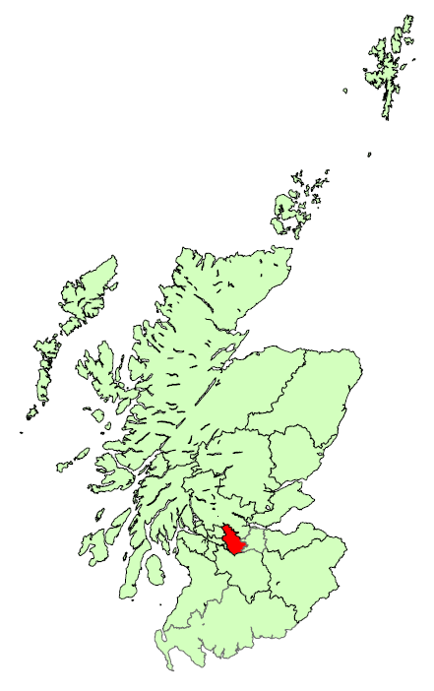

 | 1 Bedroom Properties - Quartile Measures, years to end Sept, (£ monthly): |  |  |  |  |  |  |  |  |  |  | 2 Bedroom Properties - Quartile Measures, years to end Sept, (£ monthly):
 |  | 2010 | 2011 | 2012 | 2013 | 2014 | 2015 | 2016 | 2017 | 2016 to 2017 | 2010 to 2017 |  | 2010 | 2011 | 2012 | 2013 | 2014 | 2015 | 2016 | 2017 | 2016 to 2017 | 2010 to 2017
 | Lower Quartile | 350 | 350 | 350 | 350 | 350 | 350 | 350 | 350 | 0.0% | 0.0% | Lower Quartile | 425 | 425 | 425 | 425 | 425 | 425 | 425 | 425 | 0.0% | 0.0%
 | Median | 375 | 375 | 375 | 375 | 375 | 375 | 375 | 395 | 5.3% | 5.3% | Median | 450 | 450 | 450 | 450 | 450 | 450 | 475 | 475 | 0.0% | 5.6%
 | Mean | 373 | 379 | 382 | 383 | 375 | 384 | 381 | 390 | 2.2% | 4.5% | Mean | 455 | 463 | 464 | 463 | 464 | 475 | 476 | 480 | 0.9% | 5.6%
 | Upper Quartile | 400 | 425 | 400 | 425 | 395 | 400 | 425 | 425 | 0.0% | 6.3% | Upper Quartile | 495 | 495 | 500 | 495 | 498 | 525 | 525 | 525 | 0.0% | 6.1%

 | 3 Bedroom Properties - Quartile Measures, years to end Sept, (£ monthly): |  |  |  |  |  |  |  |  |  |  | 4 Bedroom Properties - Quartile Measures, years to end Sept, (£ monthly):
 |  | 2010 | 2011 | 2012 | 2013 | 2014 | 2015 | 2016 | 2017 | 2016 to 2017 | 2010 to 2017 |  | 2010 | 2011 | 2012 | 2013 | 2014 | 2015 | 2016 | 2017 | 2016 to 2017 | 2010 to 2017
 | Lower Quartile | 495 | 475 | 495 | 475 | 495 | 479 | 495 | 475 | -4.0% | -4.0% | Lower Quartile | 695 | 695 | 725 | 750 | 695 | 750 | 695 | 663 | -4.7% | -4.7%
 | Median | 550 | 550 | 550 | 550 | 550 | 550 | 550 | 550 | 0.0% | 0.0% | Median | 795 | 750 | 795 | 800 | 795 | 850 | 795 | 850 | 6.9% | 6.9%
 | Mean | 549 | 546 | 571 | 541 | 551 | 565 | 564 | 555 | -1.6% | 1.2% | Mean | 776 | 769 | 793 | 827 | 792 | 895 | 823 | 889 | 8.0% | 14.6%
 | Upper Quartile | 600 | 595 | 650 | 600 | 598 | 650 | 600 | 600 | 0.0% | 0.0% | Upper Quartile | 850 | 850 | 850 | 895 | 850 | 950 | 925 | 1,000 | 8.1% | 17.6%

 | 1 Bedroom Shared Properties - Quartile Measures, years to end Sept, (£ monthly): |  |  |  |  |  |  |  |  |  |  | Sample Sizes:
 |  | 2010 | 2011 | 2012 | 2013 | 2014 | 2015 | 2016 | 2017 | 2016 to 2017 | 2010 to 2017 |  |  |  | 2010 | 2011 | 2012 | 2013 | 2014 | 2015 | 2016 | 2017
 | Lower Quartile | 260 | 280 | 256 | 253 | 260 | 261 | 261 | 275 | 5.5% | 5.8% | 1 Bedroom |  |  | 153 | 185 | 162 | 127 | 164 | 160 | 181 | 233
 | Median | 300 | 300 | 302 | 275 | 300 | 300 | 325 | 334 | 2.8% | 11.3% | 2 Bedrooms |  |  | 468 | 548 | 430 | 431 | 468 | 437 | 505 | 513
 | Mean | 297 | 307 | 297 | 275 | 296 | 310 | 320 | 347 | 8.4% | 16.8% | 3 Bedrooms |  |  | 180 | 251 | 229 | 199 | 200 | 237 | 215 | 253
 | Upper Quartile | 320 | 349 | 329 | 300 | 325 | 339 | 360 | 367 | 2.2% | 14.7% | 4 Bedrooms |  |  | 102 | 97 | 96 | 66 | 55 | 62 | 47 | 60
 |  |  |  |  |  |  |  |  |  |  |  | 1 Bedroom Shared |  |  | 44 | 51 | 64 | 59 | 51 | 64 | 69 | 104

 |  |  |  |  |  |  |  |  |  |  |  |  |  |  |  |  |  |  |  |  |  |  |  | 2010 | 2011 | 2012 | 2013 | 2014 | 2015 | 2016 | 2017
 |  |  |  |  |  |  |  |  |  |  |  |  |  |  |  |  |  |  |  |  |  |  | Scotland | 536 | 546 | 553 | 576 | 596 | 610 | 616 | 643
 |  |  |  |  |  |  |  |  |  |  |  |  |  |  |  |  |  |  |  |  |  |  | North Lanarkshire | 455 | 463 | 464 | 463 | 464 | 475 | 476 | 480

Perth & Kinross
Back to contents
 | Broad Rental Market Area Profile: Perth and Kinross
Average (mean) rents in Perth and Kinross have increased for all property sizes between 2016 and 2017, except 4 bedroom properties which have remained the same. The increases range from 1.7% for 2 bedroom properties to 7.8% for 3 bedroom properties, which compares to CPI inflation of 3.0% across this time period. Between 2010 and 2017 there have been increases in the average rent for all property sizes, from 8.4% for 2 bedroom properties and 18.8% for 4 bedroom properties. This compares to CPI inflation of 15.9% across this time period.
For 3 bedroom properties, between 2010 and 2017 there has been a greater increase in the top end (upper quartile) rents compared to the bottom end (lower quartile), which has caused an increase in the gap between them. Other property sizes have seen smaller changes in the gap between top end and bottom end rents.
Average 2 bedroom rents have been lower than the Scotland average in each year since 2010, and the gap has widened over the years, with the average rent in 2017 being £549 per month, compared to the Scotland average of £643.
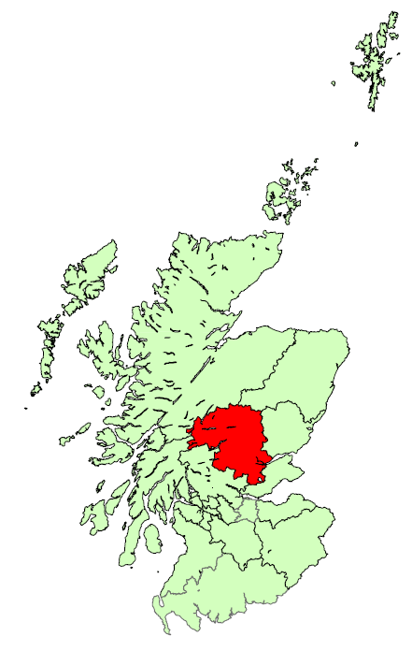

 | 1 Bedroom Properties - Quartile Measures, years to end Sept, (£ monthly): |  |  |  |  |  |  |  |  |  |  | 2 Bedroom Properties - Quartile Measures, years to end Sept, (£ monthly):
 |  | 2010 | 2011 | 2012 | 2013 | 2014 | 2015 | 2016 | 2017 | 2016 to 2017 | 2010 to 2017 |  | 2010 | 2011 | 2012 | 2013 | 2014 | 2015 | 2016 | 2017 | 2016 to 2017 | 2010 to 2017
 | Lower Quartile | 350 | 350 | 350 | 365 | 360 | 375 | 380 | 395 | 3.9% | 12.9% | Lower Quartile | 450 | 453 | 450 | 460 | 460 | 475 | 495 | 495 | 0.0% | 10.0%
 | Median | 380 | 380 | 380 | 395 | 393 | 400 | 400 | 400 | 0.0% | 5.3% | Median | 500 | 500 | 495 | 500 | 500 | 525 | 525 | 550 | 4.8% | 10.0%
 | Mean | 377 | 378 | 380 | 396 | 389 | 403 | 408 | 416 | 2.0% | 10.3% | Mean | 506 | 512 | 505 | 519 | 520 | 529 | 540 | 549 | 1.7% | 8.4%
 | Upper Quartile | 400 | 400 | 400 | 420 | 420 | 425 | 430 | 435 | 1.2% | 8.7% | Upper Quartile | 550 | 550 | 550 | 550 | 575 | 575 | 595 | 595 | 0.0% | 8.2%

 | 3 Bedroom Properties - Quartile Measures, years to end Sept, (£ monthly): |  |  |  |  |  |  |  |  |  |  | 4 Bedroom Properties - Quartile Measures, years to end Sept, (£ monthly):
 |  | 2010 | 2011 | 2012 | 2013 | 2014 | 2015 | 2016 | 2017 | 2016 to 2017 | 2010 to 2017 |  | 2010 | 2011 | 2012 | 2013 | 2014 | 2015 | 2016 | 2017 | 2016 to 2017 | 2010 to 2017
 | Lower Quartile | 595 | 575 | 575 | 575 | 550 | 595 | 600 | 650 | 8.3% | 9.2% | Lower Quartile | 750 | 750 | 725 | 763 | 725 | 863 | 850 | 900 | 5.9% | 20.0%
 | Median | 650 | 650 | 650 | 650 | 625 | 650 | 675 | 748 | 10.7% | 15.0% | Median | 850 | 875 | 850 | 895 | 885 | 973 | 950 | 970 | 2.1% | 14.1%
 | Mean | 647 | 647 | 639 | 665 | 639 | 680 | 700 | 754 | 7.8% | 16.6% | Mean | 858 | 865 | 871 | 973 | 913 | 992 | 1,018 | 1,018 | 0.0% | 18.8%
 | Upper Quartile | 695 | 700 | 700 | 700 | 695 | 750 | 795 | 850 | 6.9% | 22.3% | Upper Quartile | 995 | 975 | 995 | 1,000 | 1,000 | 1,100 | 1,100 | 1,150 | 4.5% | 15.6%

 | 1 Bedroom Shared Properties - Quartile Measures, years to end Sept, (£ monthly): |  |  |  |  |  |  |  |  |  |  | Sample Sizes:
 |  | 2010 | 2011 | 2012 | 2013 | 2014 | 2015 | 2016 | 2017 | 2016 to 2017 | 2010 to 2017 |  |  |  | 2010 | 2011 | 2012 | 2013 | 2014 | 2015 | 2016 | 2017
 | Lower Quartile | 235 | 235 | 236 | 250 | 250 | 254 | 250 | 273 | 9.0% | 16.0% | 1 Bedroom |  |  | 176 | 212 | 210 | 165 | 200 | 201 | 240 | 241
 | Median | 260 | 265 | 253 | 280 | 257 | 291 | 291 | 300 | 3.1% | 15.4% | 2 Bedrooms |  |  | 379 | 472 | 516 | 419 | 462 | 442 | 424 | 422
 | Mean | 262 | 268 | 259 | 275 | 281 | 295 | 288 | 308 | 6.8% | 17.6% | 3 Bedrooms |  |  | 161 | 218 | 213 | 153 | 179 | 133 | 138 | 118
 | Upper Quartile | 285 | 300 | 283 | 300 | 300 | 330 | 300 | 325 | 8.3% | 14.0% | 4 Bedrooms |  |  | 62 | 78 | 77 | 76 | 66 | 52 | 47 | 38
 |  |  |  |  |  |  |  |  |  |  |  | 1 Bedroom Shared |  |  | 49 | 54 | 69 | 69 | 54 | 49 | 64 | 82

 |  |  |  |  |  |  |  |  |  |  |  |  |  |  |  |  |  |  |  |  |  |  |  | 2010 | 2011 | 2012 | 2013 | 2014 | 2015 | 2016 | 2017
 |  |  |  |  |  |  |  |  |  |  |  |  |  |  |  |  |  |  |  |  |  |  | Scotland | 536 | 546 | 553 | 576 | 596 | 610 | 616 | 643
 |  |  |  |  |  |  |  |  |  |  |  |  |  |  |  |  |  |  |  |  |  |  | Perth and Kinross | 506 | 512 | 505 | 519 | 520 | 529 | 540 | 549

Renfrewshire Inverclyde
Back to contents
 | Broad Rental Market Area Profile: Renfrewshire / Inverclyde
Average (mean) rents decreased by 1.3% between 2016 and 2017 for 1 bedroom properties. All other property sizes have increased, ranging from 0.1% for 1 bedroom shared properties to 8.0% for 4 bedroom properties. This compares to CPI inflation of 3.0% across this time period. Between 2010 and 2017 average rents increased for all property sizes. Increases range from 2.7% for 1 bedroom shared to 31.4% for 4 bedroom properties, which compares to CPI inflation of 15.9% across this time period.
For 1 bedroom, 3 bedroom and 1 bedroom shared properties, there has been an greater increase in the top end (upper quartile) rents than in the bottom end (lower quartile) since 2010, which has widened the gap in rents.
Average 2 bedroom rents have been lower than the Scotland average in each year since 2010, and the gap has widened over the years, with the average rent in 2017 being £508 per month, compared to the Scotland average of £643.
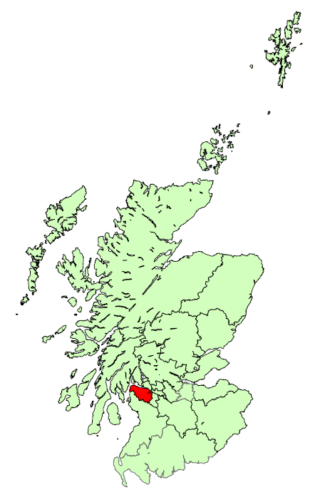

 | 1 Bedroom Properties - Quartile Measures, years to end Sept, (£ monthly): |  |  |  |  |  |  |  |  |  |  | 2 Bedroom Properties - Quartile Measures, years to end Sept, (£ monthly):
 |  | 2010 | 2011 | 2012 | 2013 | 2014 | 2015 | 2016 | 2017 | 2016 to 2017 | 2010 to 2017 |  | 2010 | 2011 | 2012 | 2013 | 2014 | 2015 | 2016 | 2017 | 2016 to 2017 | 2010 to 2017
 | Lower Quartile | 350 | 350 | 330 | 350 | 350 | 330 | 350 | 350 | 0.0% | 0.0% | Lower Quartile | 425 | 425 | 425 | 425 | 425 | 425 | 425 | 450 | 5.9% | 5.9%
 | Median | 375 | 373 | 365 | 375 | 375 | 350 | 375 | 385 | 2.7% | 2.7% | Median | 450 | 475 | 475 | 475 | 475 | 475 | 475 | 495 | 4.2% | 10.0%
 | Mean | 374 | 373 | 370 | 378 | 378 | 372 | 392 | 387 | -1.3% | 3.3% | Mean | 473 | 478 | 485 | 480 | 483 | 488 | 494 | 508 | 2.8% | 7.3%
 | Upper Quartile | 395 | 395 | 395 | 400 | 395 | 400 | 400 | 425 | 6.3% | 7.6% | Upper Quartile | 525 | 525 | 550 | 525 | 525 | 550 | 550 | 550 | 0.0% | 4.8%

 | 3 Bedroom Properties - Quartile Measures, years to end Sept, (£ monthly): |  |  |  |  |  |  |  |  |  |  | 4 Bedroom Properties - Quartile Measures, years to end Sept, (£ monthly):
 |  | 2010 | 2011 | 2012 | 2013 | 2014 | 2015 | 2016 | 2017 | 2016 to 2017 | 2010 to 2017 |  | 2010 | 2011 | 2012 | 2013 | 2014 | 2015 | 2016 | 2017 | 2016 to 2017 | 2010 to 2017
 | Lower Quartile | 498 | 500 | 500 | 525 | 500 | 500 | 525 | 525 | 0.0% | 5.5% | Lower Quartile | 675 | 775 | 795 | 750 | 800 | 795 | 800 | 850 | 6.3% | 25.9%
 | Median | 600 | 595 | 595 | 625 | 595 | 625 | 650 | 645 | -0.8% | 7.5% | Median | 800 | 875 | 900 | 875 | 913 | 895 | 950 | 995 | 4.7% | 24.4%
 | Mean | 612 | 620 | 609 | 626 | 622 | 646 | 643 | 652 | 1.3% | 6.5% | Mean | 834 | 954 | 998 | 915 | 975 | 977 | 1,015 | 1,095 | 8.0% | 31.4%
 | Upper Quartile | 695 | 695 | 695 | 700 | 700 | 725 | 750 | 750 | 0.0% | 7.9% | Upper Quartile | 995 | 1,000 | 1,000 | 1,000 | 1,200 | 1,100 | 1,200 | 1,200 | 0.0% | 20.6%

 | 1 Bedroom Shared Properties - Quartile Measures, years to end Sept, (£ monthly): |  |  |  |  |  |  |  |  |  |  | Sample Sizes:
 |  | 2010 | 2011 | 2012 | 2013 | 2014 | 2015 | 2016 | 2017 | 2016 to 2017 | 2010 to 2017 |  |  |  | 2010 | 2011 | 2012 | 2013 | 2014 | 2015 | 2016 | 2017
 | Lower Quartile | 274 | 266 | 275 | 250 | 250 | 250 | 270 | 265 | -1.9% | -3.3% | 1 Bedroom |  |  | 346 | 360 | 257 | 244 | 232 | 277 | 352 | 373
 | Median | 300 | 300 | 300 | 288 | 283 | 294 | 300 | 300 | 0.0% | 0.0% | 2 Bedrooms |  |  | 613 | 653 | 528 | 478 | 513 | 493 | 583 | 551
 | Mean | 296 | 299 | 291 | 293 | 291 | 287 | 304 | 304 | 0.1% | 2.7% | 3 Bedrooms |  |  | 228 | 269 | 199 | 195 | 276 | 227 | 237 | 203
 | Upper Quartile | 330 | 324 | 320 | 315 | 325 | 320 | 330 | 338 | 2.4% | 2.4% | 4 Bedrooms |  |  | 62 | 100 | 66 | 81 | 74 | 95 | 71 | 59
 |  |  |  |  |  |  |  |  |  |  |  | 1 Bedroom Shared |  |  | 46 | 64 | 65 | 88 | 92 | 118 | 105 | 102

 |  |  |  |  |  |  |  |  |  |  |  |  |  |  |  |  |  |  |  |  |  |  |  | 2010 | 2011 | 2012 | 2013 | 2014 | 2015 | 2016 | 2017
 |  |  |  |  |  |  |  |  |  |  |  |  |  |  |  |  |  |  |  |  |  |  | Scotland | 536 | 546 | 553 | 576 | 596 | 610 | 616 | 643
 |  |  |  |  |  |  |  |  |  |  |  |  |  |  |  |  |  |  |  |  |  |  | Renfrewshire / Inverclyde | 473 | 478 | 485 | 480 | 483 | 488 | 494 | 508

Scottish Borders
Back to contents
 | Broad Rental Market Area Profile: Scottish Borders
Average (mean) rent in the Scottish Borders increased for all property sizes between 2016 and 2017. Increases range from 1.4%, for both 2 and 4 bedroom properties, to 15.5% for 1 bedroom shared properties. This compares to CPI inflation of 3.0% across this time period. Average rents have also increased for all property sizes between 2010 and 2017, with increases ranging from 2.6% to 22.1% for 1 bedroom and 1 bedroom shared properties, respectively. This compares to CPI inflation of 15.9% across this time period.
In the latest year, the gap between the top end rents (upper quartile) and the bottom end (lower quartile) has increased for 2 bedroom, 3 bedroom and 1 bedroom shared properties.
Average 2 bedroom rents have been lower than the Scotland average in each year since 2010, and the gap has widened over the years, with the average rent in 2017 being £459 per month, compared to the Scotland average of £643.
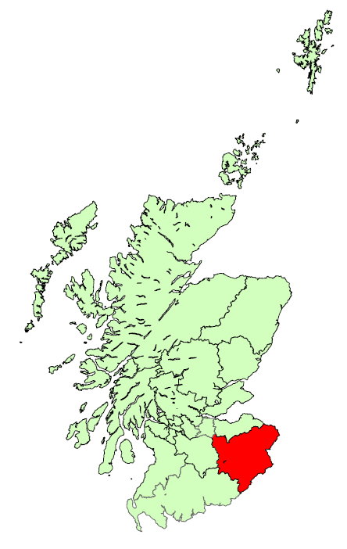

 | 1 Bedroom Properties - Quartile Measures, years to end Sept, (£ monthly): |  |  |  |  |  |  |  |  |  |  | 2 Bedroom Properties - Quartile Measures, years to end Sept, (£ monthly):
 |  | 2010 | 2011 | 2012 | 2013 | 2014 | 2015 | 2016 | 2017 | 2016 to 2017 | 2010 to 2017 |  | 2010 | 2011 | 2012 | 2013 | 2014 | 2015 | 2016 | 2017 | 2016 to 2017 | 2010 to 2017
 | Lower Quartile | 300 | 300 | 300 | 300 | 300 | 300 | 310 | 325 | 4.8% | 8.3% | Lower Quartile | 395 | 400 | 400 | 395 | 400 | 400 | 400 | 400 | 0.0% | 1.3%
 | Median | 335 | 350 | 340 | 325 | 350 | 345 | 325 | 335 | 3.1% | 0.0% | Median | 428 | 450 | 440 | 450 | 440 | 435 | 450 | 450 | 0.0% | 5.3%
 | Mean | 336 | 345 | 337 | 332 | 337 | 340 | 338 | 345 | 2.1% | 2.6% | Mean | 442 | 446 | 445 | 444 | 444 | 444 | 452 | 459 | 1.4% | 3.9%
 | Upper Quartile | 370 | 375 | 355 | 350 | 370 | 360 | 360 | 375 | 4.2% | 1.4% | Upper Quartile | 490 | 495 | 485 | 495 | 495 | 490 | 495 | 500 | 1.0% | 2.0%

 | 3 Bedroom Properties - Quartile Measures, years to end Sept, (£ monthly): |  |  |  |  |  |  |  |  |  |  | 4 Bedroom Properties - Quartile Measures, years to end Sept, (£ monthly):
 |  | 2010 | 2011 | 2012 | 2013 | 2014 | 2015 | 2016 | 2017 | 2016 to 2017 | 2010 to 2017 |  | 2010 | 2011 | 2012 | 2013 | 2014 | 2015 | 2016 | 2017 | 2016 to 2017 | 2010 to 2017
 | Lower Quartile | 440 | 450 | 475 | 450 | 450 | 450 | 475 | 475 | 0.0% | 8.0% | Lower Quartile | 595 | 615 | 600 | 595 | 600 | 675 | 600 | 600 | 0.0% | 0.8%
 | Median | 500 | 525 | 550 | 525 | 515 | 525 | 525 | 550 | 4.8% | 10.0% | Median | 685 | 700 | 695 | 665 | 695 | 755 | 695 | 700 | 0.7% | 2.2%
 | Mean | 515 | 539 | 553 | 542 | 528 | 535 | 546 | 566 | 3.6% | 9.9% | Mean | 690 | 725 | 712 | 701 | 727 | 746 | 740 | 750 | 1.4% | 8.8%
 | Upper Quartile | 595 | 595 | 600 | 600 | 580 | 595 | 600 | 650 | 8.3% | 9.2% | Upper Quartile | 800 | 845 | 800 | 795 | 800 | 830 | 850 | 825 | -2.9% | 3.1%

 | 1 Bedroom Shared Properties - Quartile Measures, years to end Sept, (£ monthly): |  |  |  |  |  |  |  |  |  |  | Sample Sizes:
 |  | 2010 | 2011 | 2012 | 2013 | 2014 | 2015 | 2016 | 2017 | 2016 to 2017 | 2010 to 2017 |  |  |  | 2010 | 2011 | 2012 | 2013 | 2014 | 2015 | 2016 | 2017
 | Lower Quartile | 230 | 220 | 225 | 245 | 235 | 250 | 245 | 243 | -1.0% | 5.4% | 1 Bedroom |  |  | 95 | 118 | 138 | 141 | 126 | 157 | 179 | 194
 | Median | 260 | 250 | 244 | 250 | 252 | 251 | 250 | 275 | 10.0% | 5.8% | 2 Bedrooms |  |  | 244 | 272 | 301 | 317 | 325 | 309 | 303 | 318
 | Mean | 256 | 247 | 245 | 265 | 263 | 271 | 270 | 312 | 15.5% | 22.1% | 3 Bedrooms |  |  | 182 | 235 | 250 | 222 | 218 | 223 | 175 | 169
 | Upper Quartile | 280 | 260 | 269 | 290 | 300 | 300 | 294 | 360 | 22.1% | 28.4% | 4 Bedrooms |  |  | 82 | 81 | 94 | 81 | 73 | 60 | 41 | 37
 |  |  |  |  |  |  |  |  |  |  |  | 1 Bedroom Shared |  |  | 17 | 22 | 16 | 32 | 30 | 37 | 37 | 44

 |  |  |  |  |  |  |  |  |  |  |  |  |  |  |  |  |  |  |  |  |  |  |  | 2010 | 2011 | 2012 | 2013 | 2014 | 2015 | 2016 | 2017
 |  |  |  |  |  |  |  |  |  |  |  |  |  |  |  |  |  |  |  |  |  |  | Scotland | 536 | 546 | 553 | 576 | 596 | 610 | 616 | 643
 |  |  |  |  |  |  |  |  |  |  |  |  |  |  |  |  |  |  |  |  |  |  | Scottish Borders | 442 | 446 | 445 | 444 | 444 | 444 | 452 | 459

South Lanarkshire
Back to contents
 | Broad Rental Market Area Profile: South Lanarkshire
Average (mean) rent in South Lanarkshire have increased across all property sizes between 2016 and 2017. Increases range from 2.8% for 1 bedroom properties to 17.8% for 1 bedroom shared properties, which compares to CPI inflation of 3.0% across this time period. Average rents have also increased between 2010 and 2017 for all property sizes, ranging from 2.4% for 1 bedroom properties to 20.1% for 1 bedroom shared properties. This compares to CPI inflation of 15.9% across this time period.
For 2 bedroom, 3 bedroom and 1 bedroom shared property sizes there have been greater increases at the top end (upper quartile) than the bottom end (lower quartile) of the market which has resulted in a widening gap between top and bottom ends of the market in the latest year.
Average 2 bedroom rents have been lower than the Scotland average in each year since 2010, and the gap has widened since 2011, with the average rent in 2017 being £520 per month, compared to the Scotland average of £643.
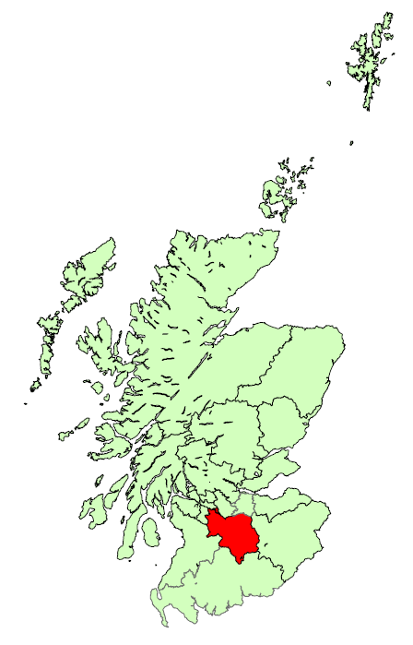

 | 1 Bedroom Properties - Quartile Measures, years to end Sept, (£ monthly): |  |  |  |  |  |  |  |  |  |  | 2 Bedroom Properties - Quartile Measures, years to end Sept, (£ monthly):
 |  | 2010 | 2011 | 2012 | 2013 | 2014 | 2015 | 2016 | 2017 | 2016 to 2017 | 2010 to 2017 |  | 2010 | 2011 | 2012 | 2013 | 2014 | 2015 | 2016 | 2017 | 2016 to 2017 | 2010 to 2017
 | Lower Quartile | 350 | 350 | 350 | 350 | 350 | 350 | 350 | 365 | 4.3% | 4.3% | Lower Quartile | 425 | 435 | 425 | 435 | 448 | 450 | 450 | 450 | 0.0% | 5.9%
 | Median | 375 | 375 | 375 | 375 | 375 | 380 | 375 | 395 | 5.3% | 5.3% | Median | 460 | 475 | 475 | 475 | 475 | 475 | 475 | 495 | 4.2% | 7.6%
 | Mean | 382 | 385 | 379 | 375 | 380 | 384 | 381 | 391 | 2.8% | 2.4% | Mean | 481 | 492 | 485 | 491 | 494 | 497 | 500 | 520 | 4.0% | 8.2%
 | Upper Quartile | 395 | 395 | 395 | 395 | 400 | 400 | 400 | 420 | 5.0% | 6.3% | Upper Quartile | 525 | 550 | 550 | 545 | 550 | 550 | 550 | 575 | 4.5% | 9.5%

 | 3 Bedroom Properties - Quartile Measures, years to end Sept, (£ monthly): |  |  |  |  |  |  |  |  |  |  | 4 Bedroom Properties - Quartile Measures, years to end Sept, (£ monthly):
 |  | 2010 | 2011 | 2012 | 2013 | 2014 | 2015 | 2016 | 2017 | 2016 to 2017 | 2010 to 2017 |  | 2010 | 2011 | 2012 | 2013 | 2014 | 2015 | 2016 | 2017 | 2016 to 2017 | 2010 to 2017
 | Lower Quartile | 550 | 550 | 550 | 525 | 550 | 550 | 550 | 550 | 0.0% | 0.0% | Lower Quartile | 750 | 750 | 795 | 750 | 800 | 825 | 813 | 895 | 10.2% | 19.3%
 | Median | 595 | 595 | 595 | 595 | 600 | 600 | 625 | 650 | 4.0% | 9.2% | Median | 850 | 850 | 885 | 848 | 925 | 970 | 900 | 1,100 | 22.2% | 29.5%
 | Mean | 627 | 619 | 626 | 616 | 617 | 634 | 637 | 662 | 3.9% | 5.5% | Mean | 924 | 926 | 957 | 893 | 977 | 1,043 | 1,022 | 1,097 | 7.3% | 18.7%
 | Upper Quartile | 675 | 675 | 695 | 695 | 670 | 695 | 695 | 725 | 4.3% | 7.4% | Upper Quartile | 900 | 995 | 995 | 995 | 1,100 | 1,200 | 1,193 | 1,300 | 9.0% | 44.4%

 | 1 Bedroom Shared Properties - Quartile Measures, years to end Sept, (£ monthly): |  |  |  |  |  |  |  |  |  |  | Sample Sizes:
 |  | 2010 | 2011 | 2012 | 2013 | 2014 | 2015 | 2016 | 2017 | 2016 to 2017 | 2010 to 2017 |  |  |  | 2010 | 2011 | 2012 | 2013 | 2014 | 2015 | 2016 | 2017
 | Lower Quartile | 299 | 253 | 260 | 260 | 272 | 275 | 275 | 275 | 0.0% | -8.0% | 1 Bedroom |  |  | 302 | 272 | 246 | 245 | 188 | 192 | 223 | 295
 | Median | 300 | 285 | 300 | 300 | 300 | 325 | 310 | 325 | 4.9% | 8.3% | 2 Bedrooms |  |  | 665 | 657 | 597 | 565 | 468 | 503 | 489 | 458
 | Mean | 309 | 291 | 304 | 293 | 303 | 325 | 315 | 371 | 17.8% | 20.1% | 3 Bedrooms |  |  | 279 | 374 | 299 | 251 | 202 | 181 | 199 | 247
 | Upper Quartile | 321 | 303 | 320 | 318 | 325 | 360 | 350 | 405 | 15.7% | 26.3% | 4 Bedrooms |  |  | 144 | 121 | 158 | 92 | 70 | 60 | 60 | 91
 |  |  |  |  |  |  |  |  |  |  |  | 1 Bedroom Shared |  |  | 47 | 68 | 66 | 68 | 74 | 67 | 66 | 107

 |  |  |  |  |  |  |  |  |  |  |  |  |  |  |  |  |  |  |  |  |  |  |  | 2010 | 2011 | 2012 | 2013 | 2014 | 2015 | 2016 | 2017
 |  |  |  |  |  |  |  |  |  |  |  |  |  |  |  |  |  |  |  |  |  |  | Scotland | 536 | 546 | 553 | 576 | 596 | 610 | 616 | 643
 |  |  |  |  |  |  |  |  |  |  |  |  |  |  |  |  |  |  |  |  |  |  | South Lanarkshire | 481 | 492 | 485 | 491 | 494 | 497 | 500 | 520

West Dunbartonshire
Back to contents
 | Broad Rental Market Area Profile: West Dunbartonshire
Average (mean) rents between 2016 and 2017 have decreased for 1, 2, and 4 bedroom properties, with decreases ranging from -0.4% to -2.3%. Rents increased for 3 bedroom properties by 5.0% and by 2.8% for 1 bedroom shared properties, which compares to CPI inflation of 3.0% across this time period. Average rents have increased for all property sizes between 2010 and 2017. Increases ranged from 0.5% for 1 bedroom properties and 14.6% for 1 bedroom shared properties. This compares to CPI inflation of 15.9% across this time period.
There have been varied changes to the top and bottom ends of the market for each property size between 2010 and 2017. Most property sizes have similar gaps between top and bottom end rents in 2017 compared with 2010, except for 3 bedroom properties for which an increase in the bottom end (lower quartile) in the latest year has narrowed the gap.
Average 2 bedroom rents have been lower than the Scotland average in each year since 2010, and the gap has widened over the years, with the average rent in 2017 being £496 per month, compared to the Scotland average of £643.
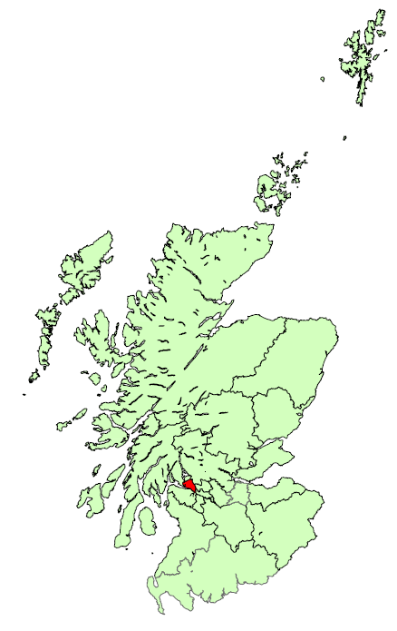

 | 1 Bedroom Properties - Quartile Measures, years to end Sept, (£ monthly): |  |  |  |  |  |  |  |  |  |  | 2 Bedroom Properties - Quartile Measures, years to end Sept, (£ monthly):
 |  | 2010 | 2011 | 2012 | 2013 | 2014 | 2015 | 2016 | 2017 | 2016 to 2017 | 2010 to 2017 |  | 2010 | 2011 | 2012 | 2013 | 2014 | 2015 | 2016 | 2017 | 2016 to 2017 | 2010 to 2017
 | Lower Quartile | 370 | 350 | 358 | 375 | 360 | 360 | 360 | 365 | 1.4% | -1.4% | Lower Quartile | 450 | 450 | 450 | 425 | 450 | 425 | 450 | 450 | 0.0% | 0.0%
 | Median | 395 | 395 | 395 | 395 | 395 | 395 | 395 | 400 | 1.3% | 1.3% | Median | 495 | 495 | 495 | 475 | 475 | 460 | 475 | 488 | 2.6% | -1.5%
 | Mean | 397 | 390 | 399 | 392 | 390 | 390 | 400 | 399 | -0.4% | 0.5% | Mean | 492 | 494 | 494 | 486 | 479 | 476 | 498 | 496 | -0.5% | 0.7%
 | Upper Quartile | 425 | 425 | 425 | 425 | 425 | 418 | 425 | 425 | 0.0% | 0.0% | Upper Quartile | 550 | 550 | 550 | 550 | 525 | 525 | 550 | 550 | 0.0% | 0.0%

 | 3 Bedroom Properties - Quartile Measures, years to end Sept, (£ monthly): |  |  |  |  |  |  |  |  |  |  | 4 Bedroom Properties - Quartile Measures, years to end Sept, (£ monthly):
 |  | 2010 | 2011 | 2012 | 2013 | 2014 | 2015 | 2016 | 2017 | 2016 to 2017 | 2010 to 2017 |  | 2010 | 2011 | 2012 | 2013 | 2014 | 2015 | 2016 | 2017 | 2016 to 2017 | 2010 to 2017
 | Lower Quartile | 475 | 495 | 498 | 495 | 480 | 495 | 475 | 525 | 10.5% | 10.5% | Lower Quartile | 695 | 700 | 700 | 695 | 750 | 795 | 772 | 795 | 3.0% | 14.4%
 | Median | 575 | 575 | 575 | 550 | 550 | 550 | 563 | 595 | 5.8% | 3.5% | Median | 795 | 850 | 795 | 773 | 795 | 800 | 873 | 850 | -2.6% | 6.9%
 | Mean | 591 | 592 | 607 | 574 | 591 | 571 | 575 | 604 | 5.0% | 2.2% | Mean | 821 | 821 | 834 | 774 | 796 | 862 | 907 | 886 | -2.3% | 7.9%
 | Upper Quartile | 650 | 650 | 680 | 635 | 650 | 625 | 650 | 650 | 0.0% | 0.0% | Upper Quartile | 850 | 900 | 913 | 850 | 850 | 875 | 998 | 995 | -0.3% | 17.1%

 | 1 Bedroom Shared Properties - Quartile Measures, years to end Sept, (£ monthly): |  |  |  |  |  |  |  |  |  |  | Sample Sizes:
 |  | 2010 | 2011 | 2012 | 2013 | 2014 | 2015 | 2016 | 2017 | 2016 to 2017 | 2010 to 2017 |  |  |  | 2010 | 2011 | 2012 | 2013 | 2014 | 2015 | 2016 | 2017
 | Lower Quartile | 240 | 277 | 268 | 275 | 260 | 273 | 261 | 275 | 5.5% | 14.6% | 1 Bedroom |  |  | 74 | 90 | 72 | 50 | 56 | 108 | 118 | 95
 | Median | 294 | 294 | 293 | 285 | 282 | 305 | 305 | 325 | 6.6% | 10.5% | 2 Bedrooms |  |  | 160 | 161 | 165 | 175 | 145 | 243 | 197 | 210
 | Mean | 289 | 300 | 291 | 286 | 283 | 316 | 322 | 331 | 2.8% | 14.6% | 3 Bedrooms |  |  | 67 | 92 | 73 | 79 | 87 | 103 | 68 | 60
 | Upper Quartile | 344 | 315 | 325 | 303 | 305 | 360 | 360 | 375 | 4.3% | 9.0% | 4 Bedrooms |  |  | 19 | 25 | 16 | 12 | 15 | 13 | 12 | 15
 |  |  |  |  |  |  |  |  |  |  |  | 1 Bedroom Shared |  |  | 15 | 20 | 18 | 30 | 49 | 69 | 45 | 51

 |  |  |  |  |  |  |  |  |  |  |  |  |  |  |  |  |  |  |  |  |  |  |  | 2010 | 2011 | 2012 | 2013 | 2014 | 2015 | 2016 | 2017
 |  |  |  |  |  |  |  |  |  |  |  |  |  |  |  |  |  |  |  |  |  |  | Scotland | 536 | 546 | 553 | 576 | 596 | 610 | 616 | 643
 |  |  |  |  |  |  |  |  |  |  |  |  |  |  |  |  |  |  |  |  |  |  | West Dunbartonshire | 492 | 494 | 494 | 486 | 479 | 476 | 498 | 496

West Lothian
Back to contents
 | Broad Rental Market Area Profile: West Lothian
Average (mean) rents in West Lothian between 2016 and 2017 have increased across all property sizes. Increases range from 1.5% to 6.0% for 1 bedroom and 4 bedroom properties, respectively, which compares to CPI inflation of 3.0% across this time period. Average rents have also increased for all property sizes between 2010 and 2017. Increases range from 11.4% (1 bedroom properties) to 19.0% (1 bedroom shared properties), and this compares to CPI inflation of 15.9% across this time period.
There have been increases at the top end of the market (upper quartile) for both 2 and 4 bedroom properties between 2016 and 2017, whilst the upper quartile for 3 bedroom properties has remained the same in 2017 compared to 2016, after increasing between 2015 and 2016.
Average 2 bedroom rents have been lower than the Scotland average in each year since 2010, with the average rent in 2017 being £599 per month, compared to the Scotland average of £643. The gap grew slightly between 2010 and 2014, before narrowing again, although these changes were relatively small.
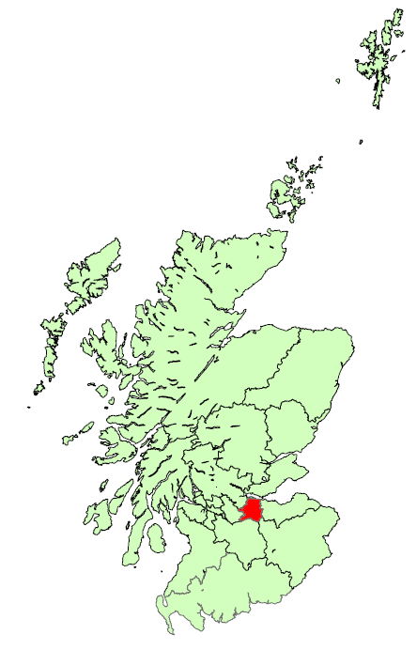

 | 1 Bedroom Properties - Quartile Measures, years to end Sept, (£ monthly): |  |  |  |  |  |  |  |  |  |  | 2 Bedroom Properties - Quartile Measures, years to end Sept, (£ monthly):
 |  | 2010 | 2011 | 2012 | 2013 | 2014 | 2015 | 2016 | 2017 | 2016 to 2017 | 2010 to 2017 |  | 2010 | 2011 | 2012 | 2013 | 2014 | 2015 | 2016 | 2017 | 2016 to 2017 | 2010 to 2017
 | Lower Quartile | 400 | 425 | 425 | 400 | 425 | 425 | 450 | 450 | 0.0% | 12.5% | Lower Quartile | 500 | 495 | 495 | 500 | 500 | 525 | 550 | 560 | 1.8% | 12.0%
 | Median | 425 | 435 | 435 | 435 | 450 | 450 | 475 | 480 | 1.1% | 12.9% | Median | 525 | 525 | 525 | 529 | 543 | 550 | 575 | 595 | 3.5% | 13.3%
 | Mean | 428 | 436 | 436 | 433 | 448 | 445 | 470 | 477 | 1.5% | 11.4% | Mean | 527 | 526 | 528 | 537 | 543 | 560 | 578 | 599 | 3.6% | 13.5%
 | Upper Quartile | 450 | 450 | 450 | 450 | 475 | 475 | 495 | 500 | 1.0% | 11.1% | Upper Quartile | 550 | 550 | 550 | 558 | 575 | 595 | 600 | 643 | 7.1% | 16.8%

 | 3 Bedroom Properties - Quartile Measures, years to end Sept, (£ monthly): |  |  |  |  |  |  |  |  |  |  | 4 Bedroom Properties - Quartile Measures, years to end Sept, (£ monthly):
 |  | 2010 | 2011 | 2012 | 2013 | 2014 | 2015 | 2016 | 2017 | 2016 to 2017 | 2010 to 2017 |  | 2010 | 2011 | 2012 | 2013 | 2014 | 2015 | 2016 | 2017 | 2016 to 2017 | 2010 to 2017
 | Lower Quartile | 550 | 575 | 560 | 558 | 575 | 600 | 600 | 625 | 4.2% | 13.6% | Lower Quartile | 750 | 745 | 750 | 795 | 795 | 810 | 825 | 863 | 4.5% | 15.0%
 | Median | 600 | 600 | 599 | 608 | 625 | 650 | 675 | 695 | 3.0% | 15.8% | Median | 825 | 800 | 850 | 850 | 863 | 935 | 895 | 950 | 6.1% | 15.2%
 | Mean | 616 | 619 | 624 | 623 | 637 | 674 | 691 | 709 | 2.6% | 15.0% | Mean | 834 | 796 | 857 | 871 | 889 | 936 | 920 | 975 | 6.0% | 16.9%
 | Upper Quartile | 650 | 650 | 650 | 675 | 675 | 725 | 775 | 775 | 0.0% | 19.2% | Upper Quartile | 875 | 875 | 895 | 940 | 950 | 1,000 | 1,000 | 1,100 | 10.0% | 25.7%

 | 1 Bedroom Shared Properties - Quartile Measures, years to end Sept, (£ monthly): |  |  |  |  |  |  |  |  |  |  | Sample Sizes:
 |  | 2010 | 2011 | 2012 | 2013 | 2014 | 2015 | 2016 | 2017 | 2016 to 2017 | 2010 to 2017 |  |  |  | 2010 | 2011 | 2012 | 2013 | 2014 | 2015 | 2016 | 2017
 | Lower Quartile | 240 | 235 | 250 | 250 | 260 | 251 | 275 | 275 | 0.0% | 14.6% | 1 Bedroom |  |  | 107 | 104 | 67 | 104 | 96 | 103 | 93 | 103
 | Median | 285 | 282 | 275 | 275 | 285 | 300 | 325 | 325 | 0.0% | 14.0% | 2 Bedrooms |  |  | 417 | 362 | 265 | 358 | 338 | 380 | 385 | 396
 | Mean | 279 | 275 | 274 | 287 | 294 | 299 | 318 | 332 | 4.2% | 19.0% | 3 Bedrooms |  |  | 211 | 219 | 173 | 183 | 143 | 173 | 131 | 133
 | Upper Quartile | 315 | 304 | 295 | 325 | 325 | 355 | 360 | 360 | 0.0% | 14.1% | 4 Bedrooms |  |  | 80 | 74 | 62 | 63 | 54 | 60 | 46 | 48
 |  |  |  |  |  |  |  |  |  |  |  | 1 Bedroom Shared |  |  | 41 | 64 | 39 | 65 | 65 | 70 | 70 | 75

 |  |  |  |  |  |  |  |  |  |  |  |  |  |  |  |  |  |  |  |  |  |  |  | 2010 | 2011 | 2012 | 2013 | 2014 | 2015 | 2016 | 2017
 |  |  |  |  |  |  |  |  |  |  |  |  |  |  |  |  |  |  |  |  |  |  | Scotland | 536 | 546 | 553 | 576 | 596 | 610 | 616 | 643
 |  |  |  |  |  |  |  |  |  |  |  |  |  |  |  |  |  |  |  |  |  |  | West Lothian | 527 | 526 | 528 | 537 | 543 | 560 | 578 | 599

